Micro11
BLACK | WHITE | NAME | PHOTO | DESCRIPTION | € NET PRICE ON/OFF | € NET PRICE ZIGBEE
NT0001 | NT9001 | MAXLIGHT NT0001 MICROTRACK RECESSED KG 1mb | 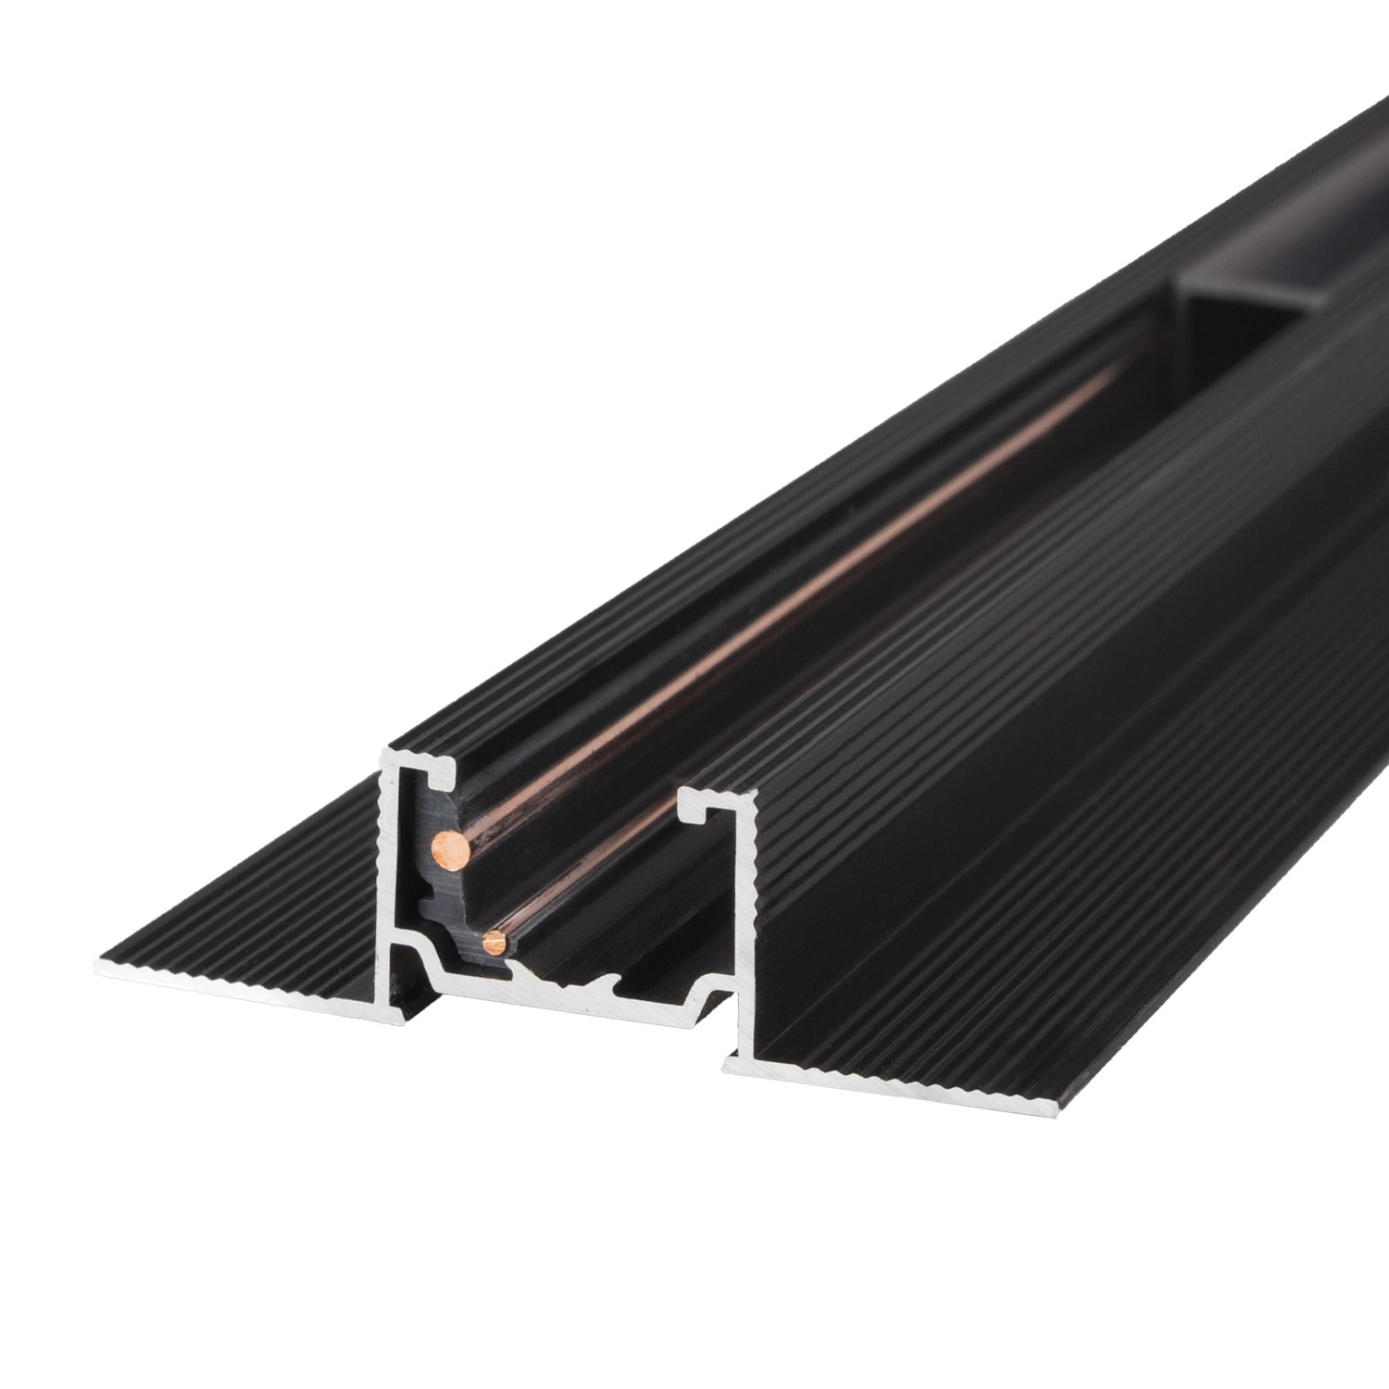 | Width 49,5mm Height 14,25mm | 23.47 €
NT0002 | NT9002 | MAXLIGHT NT0002 MICROTRACK RECESSED KG KG 2mb |  | Width 49,5mm Height 14,25mm | 46.93 €
NT0003 | NT9003 | MAXLIGHT NT0003 MICROTRACK RECESSED KG ANGLE 90 | 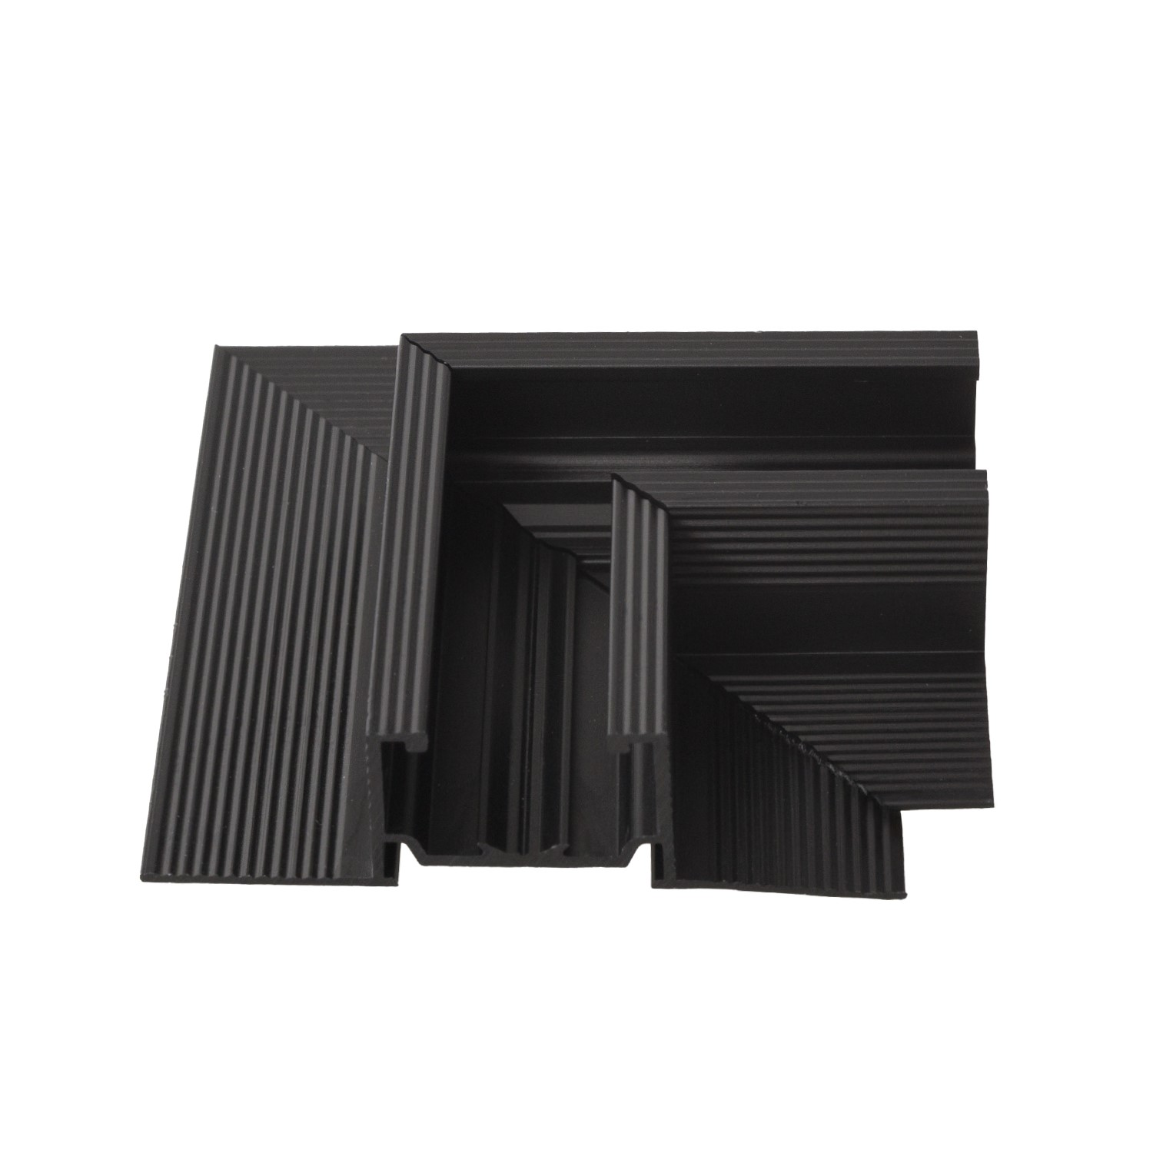 | Length 40mm x 40mm | 11.73 €
NT0004 | NT9004 | MAXLIGHT NT0004 MICROTRACK RECESSED KG, WALL/CEILING CORNER | 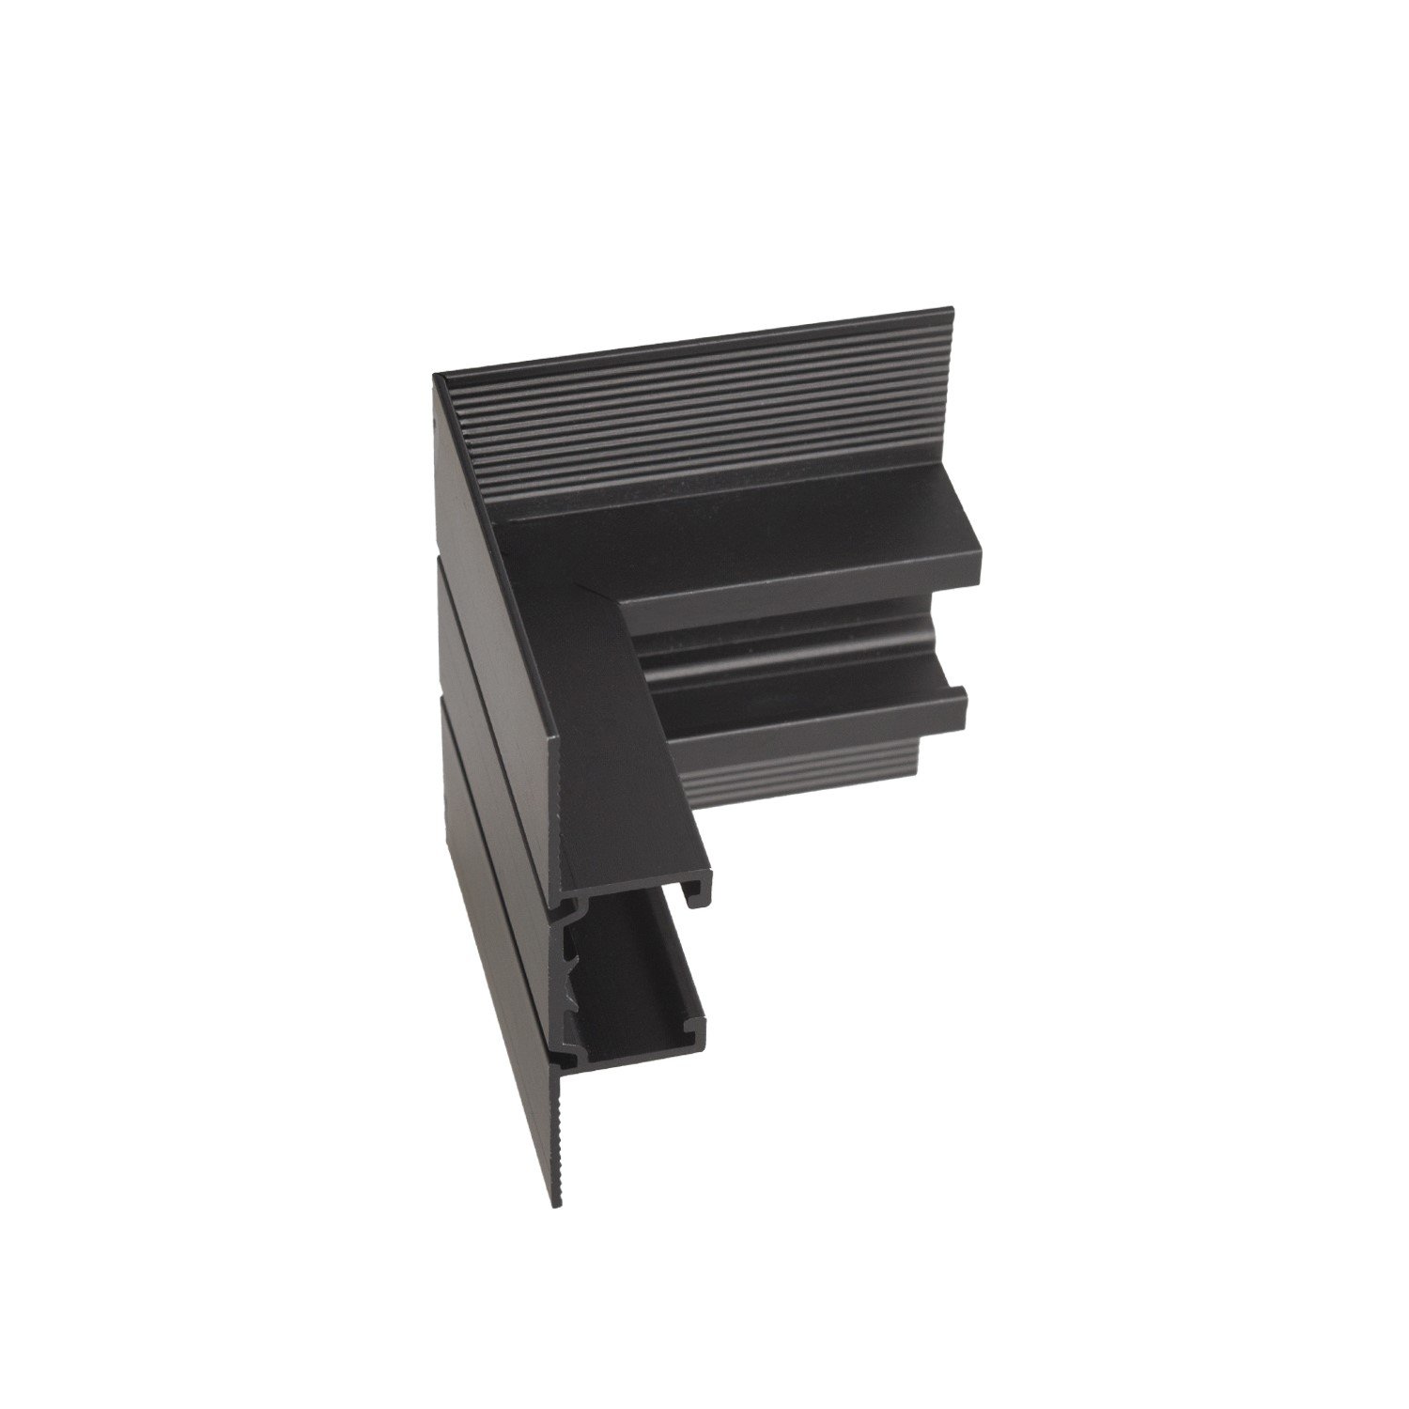 | Length 40mm x 40mm | 11.73 €
NT0005 | NT9005 | MAXLIGHT NT0005 MICROTRACK RECESSED KG, CEILING/UPCEILING CORNER |  | Length 40mm x 40mm | 11.73 €
NT0006 | NT9006 | MAXLIGHT NT0006 MICROTRACK SURFACE INSTALLED 1mb |  | Width 19,5mm Height 12mm | 23.47 €
NT0007 | NT9007 | MAXLIGHT NT0007 MICROTRACK SURFACE INSTALLED 2mb |  | Width 19,5mm Height 12mm | 46.93 €
NT0008 | NT9008 | MAXLIGHT NT0008 MICROTRACK SURFACE INSTALLED ANGLE 90 | 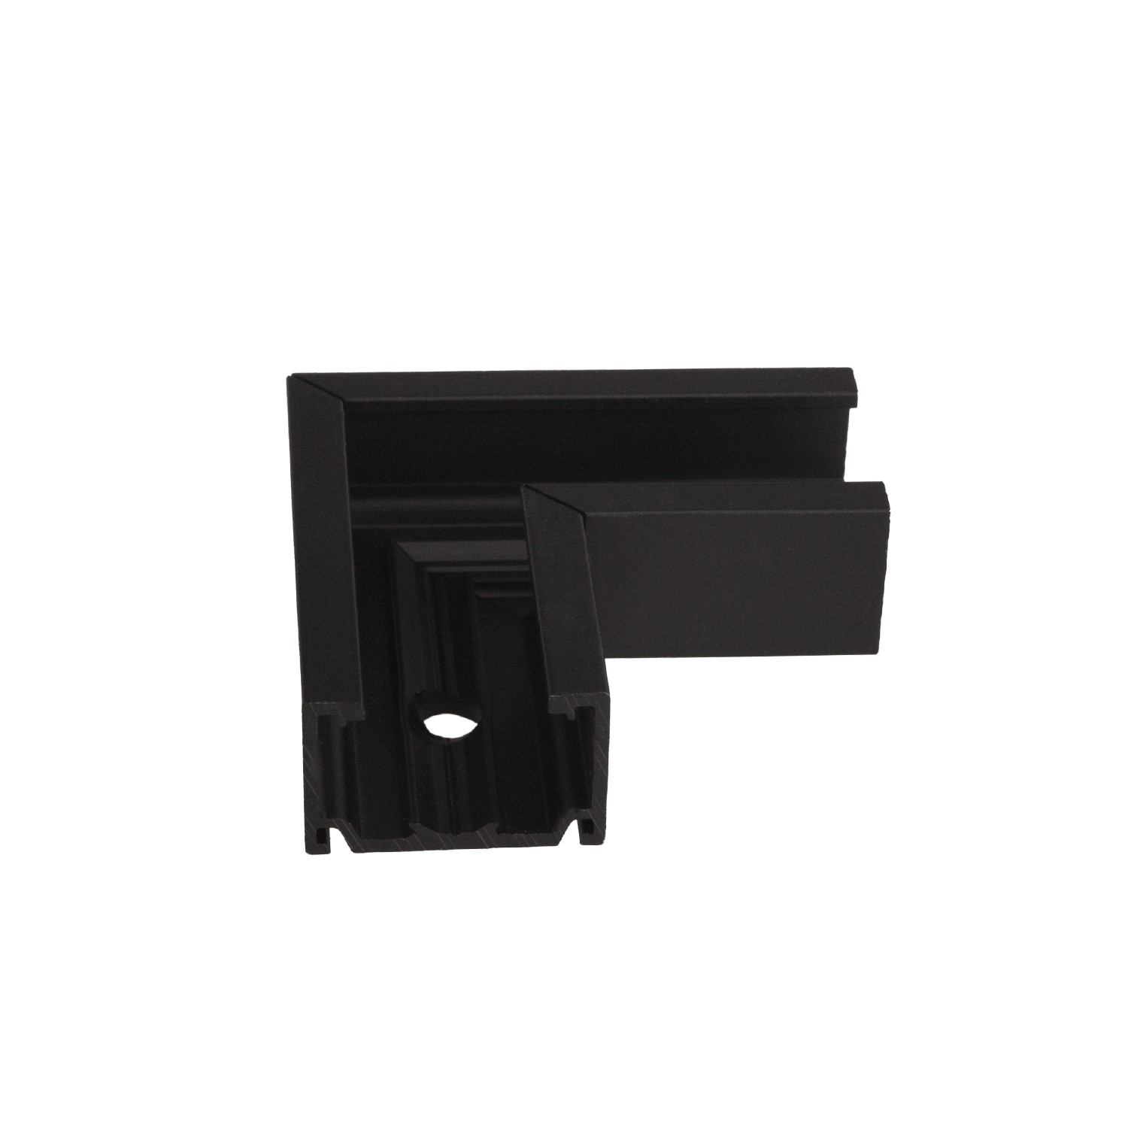 | Length 40mm x 40mm | 11.73 €
NT0009 | NT9009 | MAXLIGHT NT0009 MICROTRACK SURFACE INSTALLED WALL/CEILING CORNER | 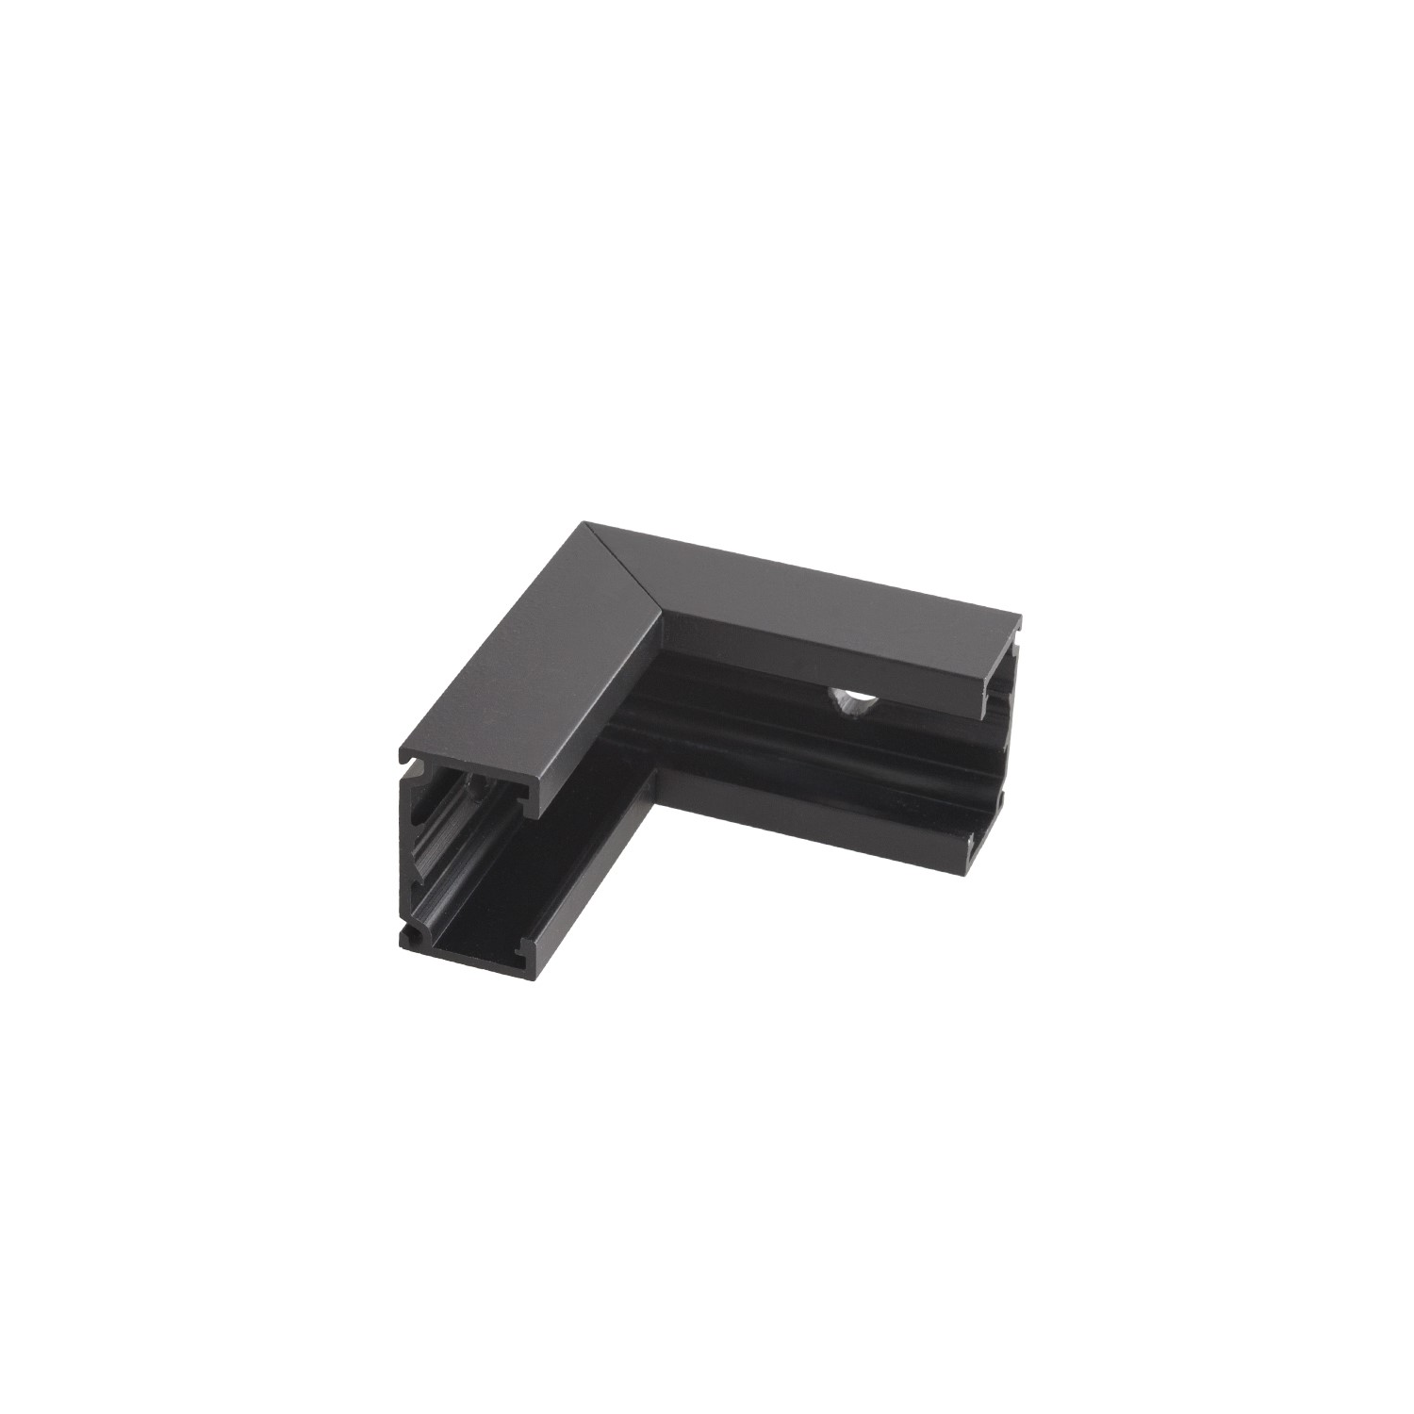 | Length 40mm x 40mm | 11.73 €
NT0010 | NT9010 | MAXLIGHT NT0010 MICROTRACK SURFACE INSTALLED CEILING/UPCEILING CORNER | 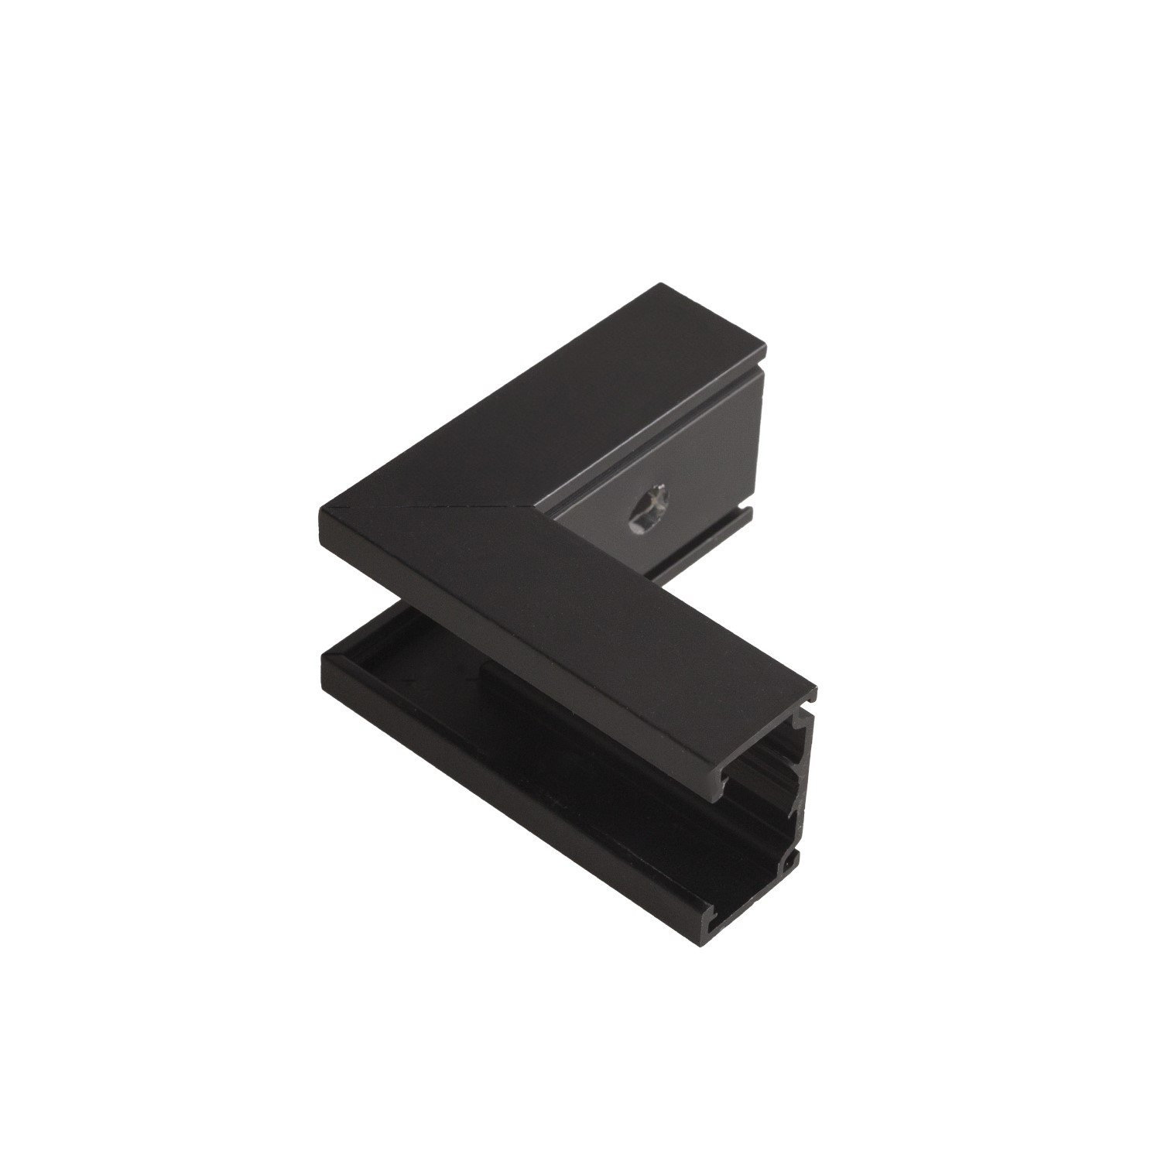 | Length 40mm x 40mm | 11.73 €
NT0011 | NT9011 | MAXLIGHT NT0011 MICROTRACK RECESSED SPRING 1mb | 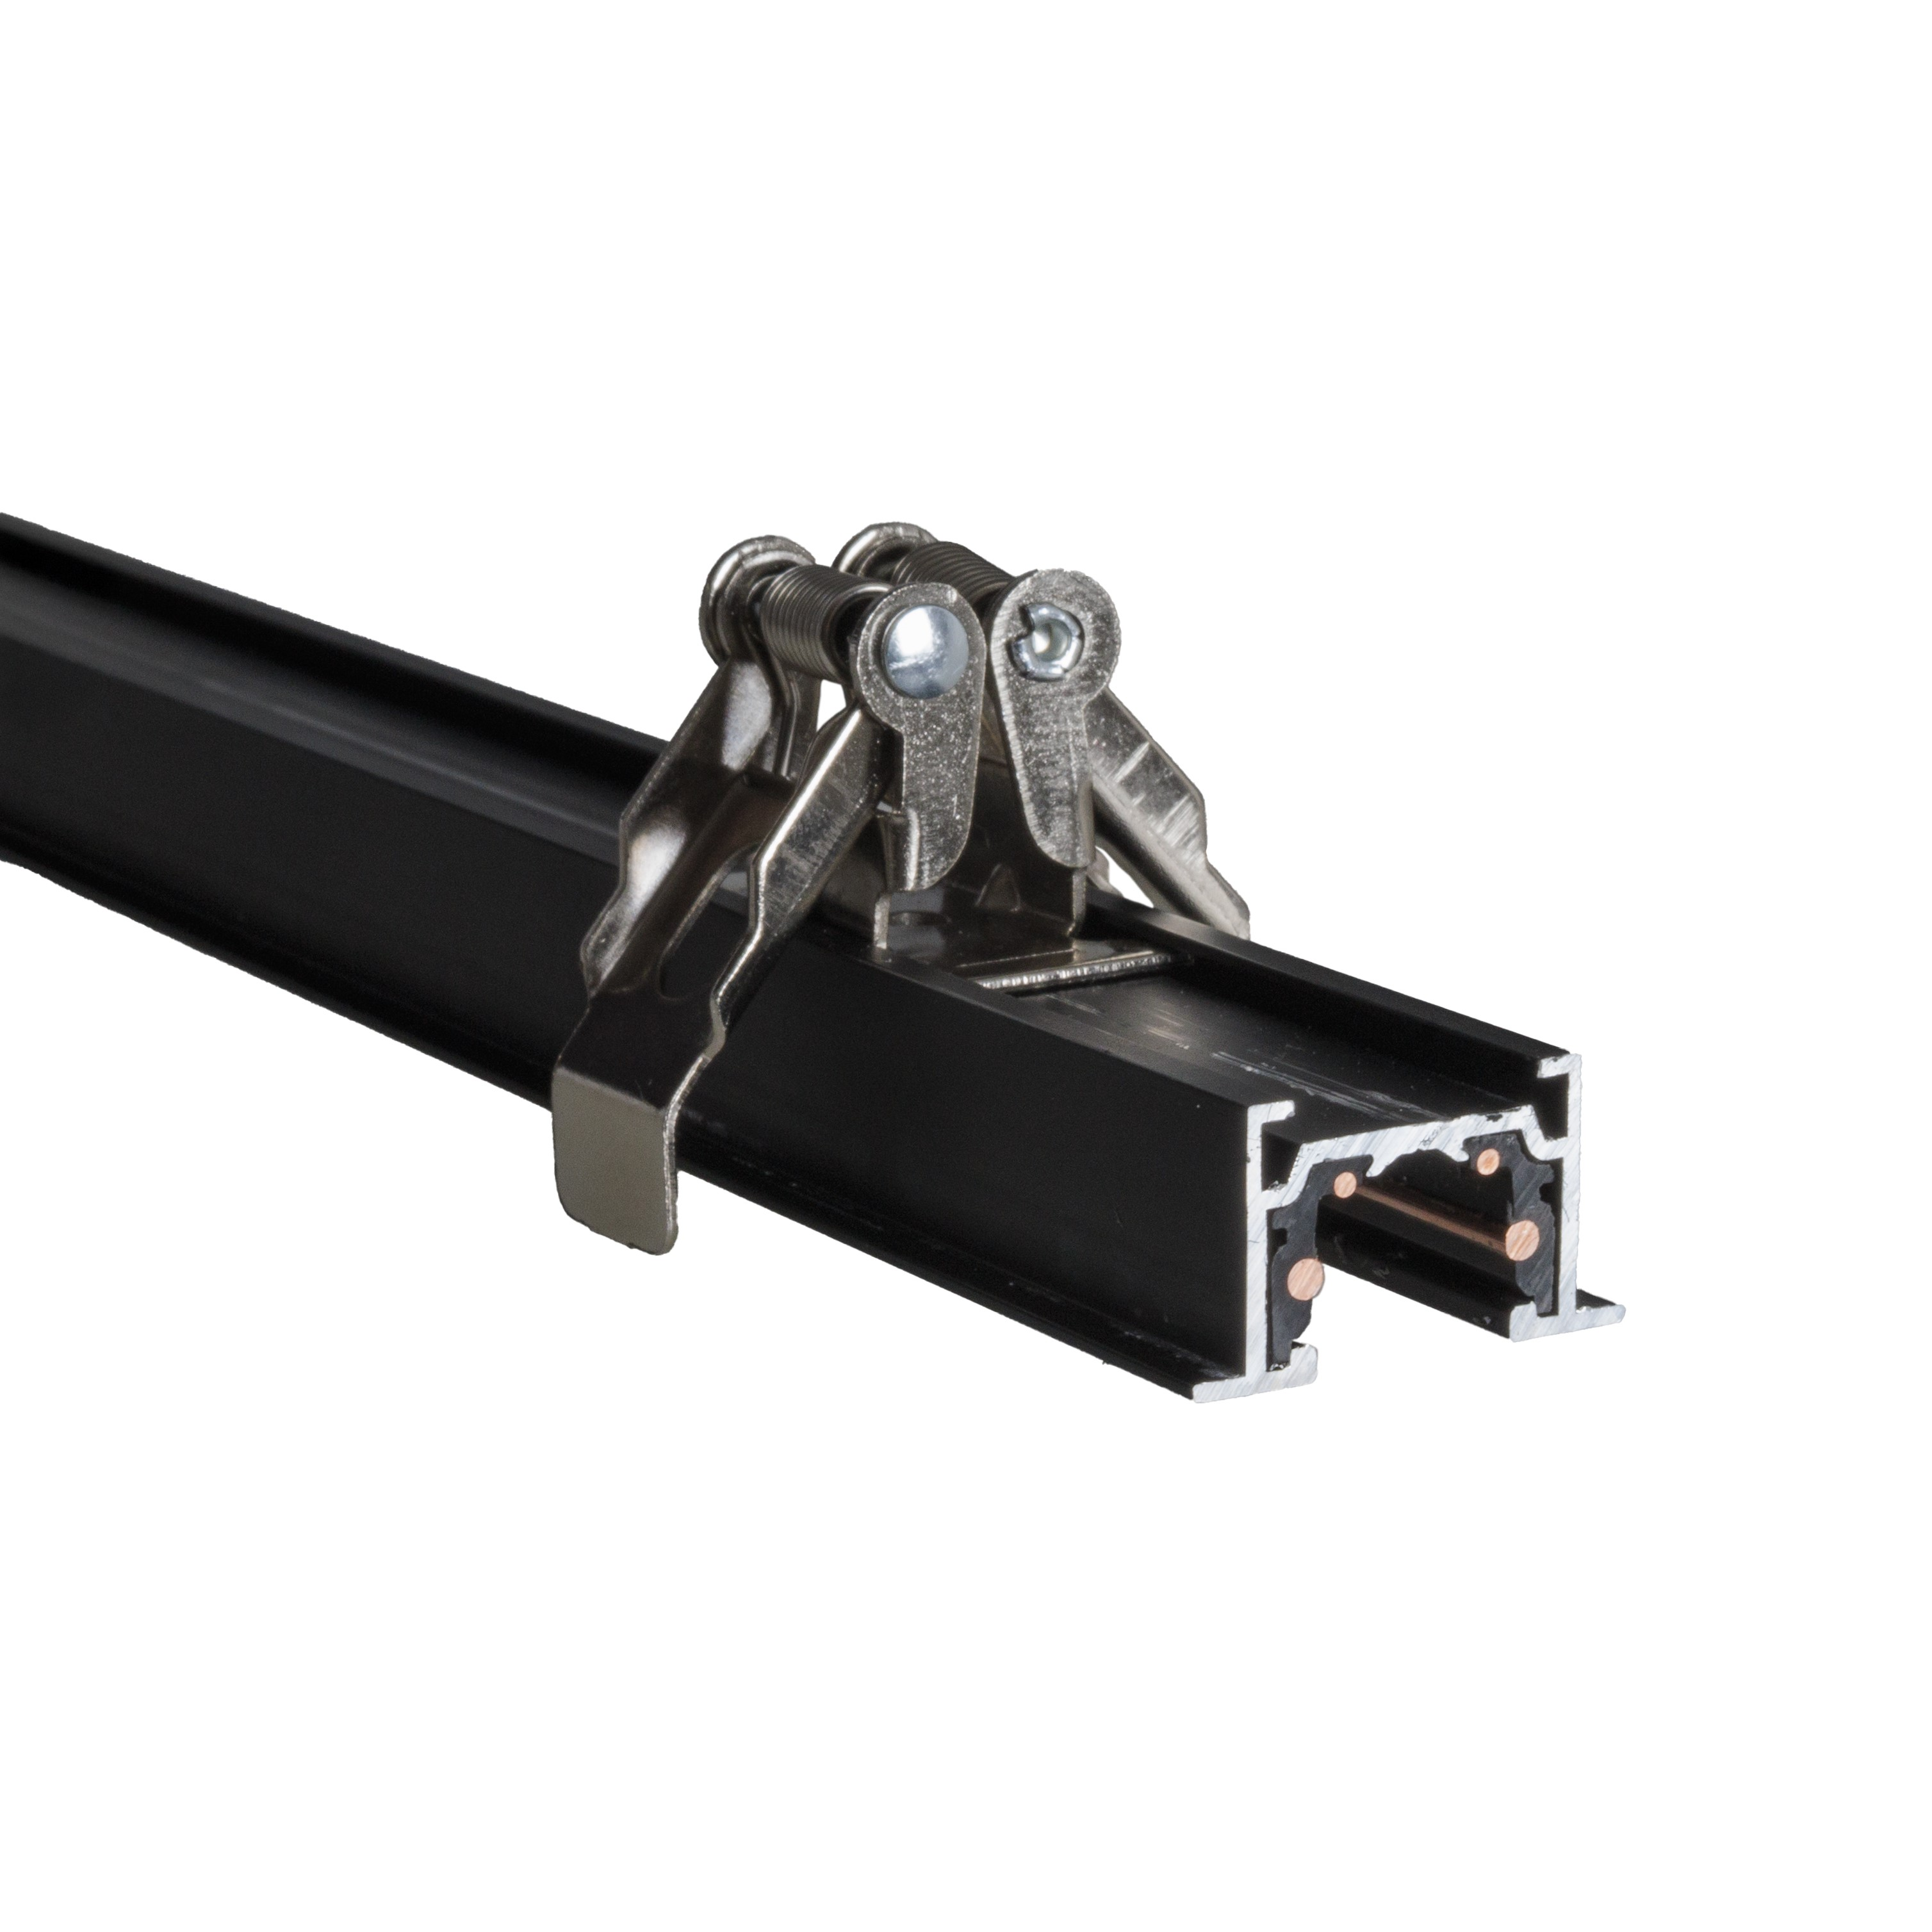 | Width 25,5mm Height 14,25mm | 23.47 €
NT0012 | NT9012 | MAXLIGHT NT0012 MICROTRACK RECESSED SPRING 2mb | 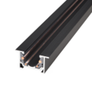 | Width 25,5mm Height 14,25mm | 48.42 €
NT0013 | NT9013 | MAXLIGHT NT0013 MICROTRACK RECESSED SPRING ANGLE 90 | 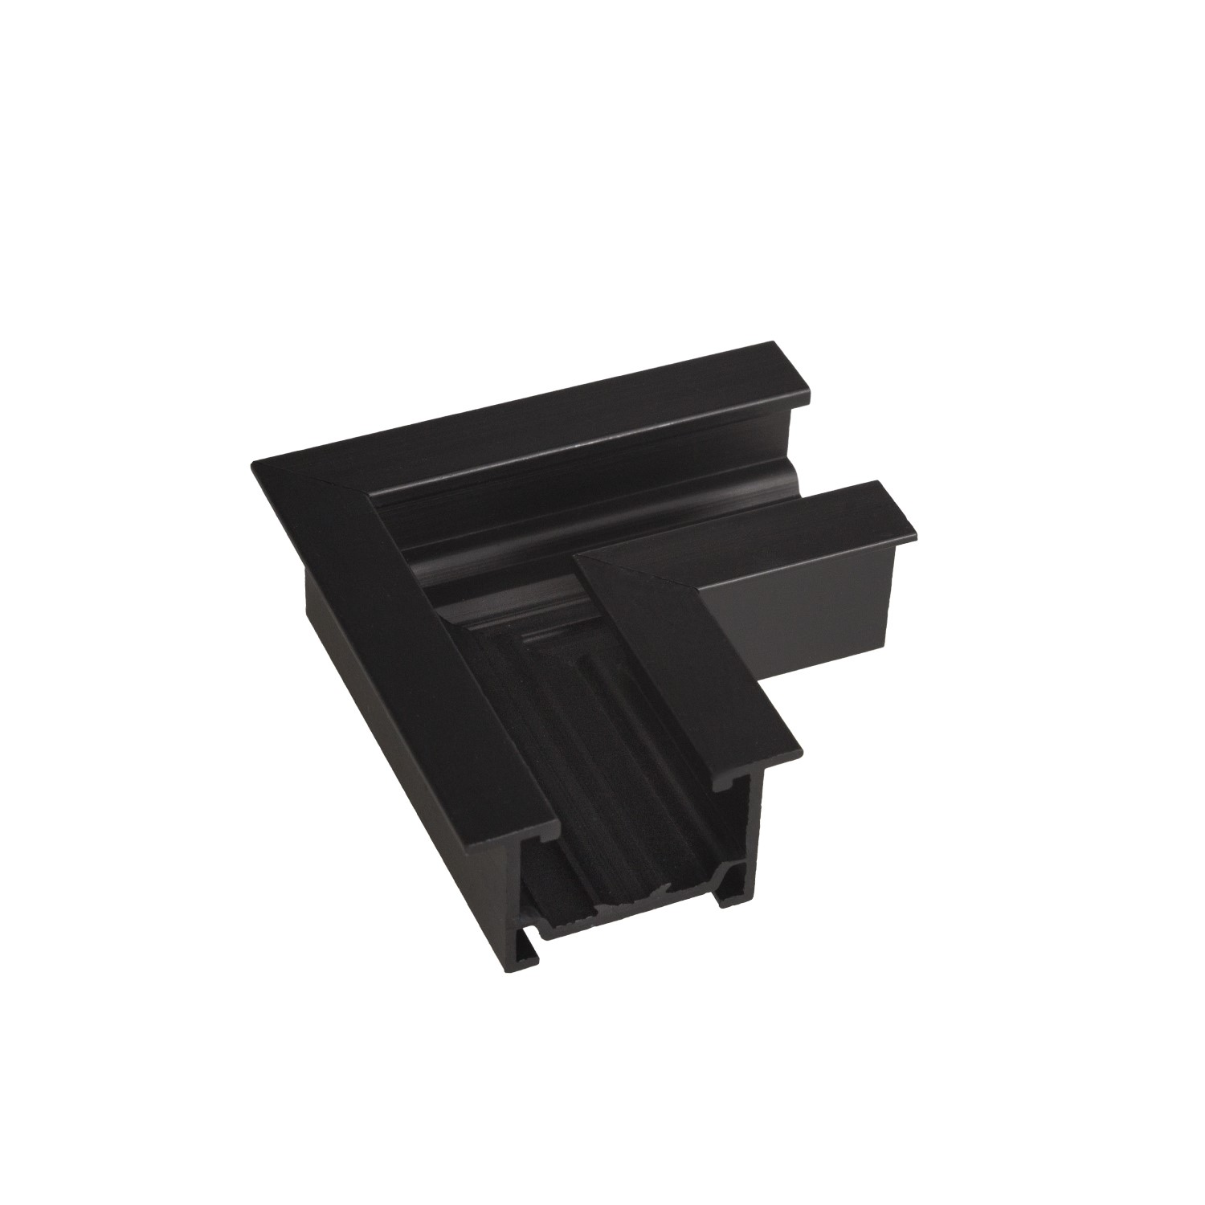 | Length 40mm x 40mm | 11.73 €
NT0014 | NT9014 | MAXLIGHT NT0014 MICROTRACK RECESSED SPRING WALL/CEILING CORNER | 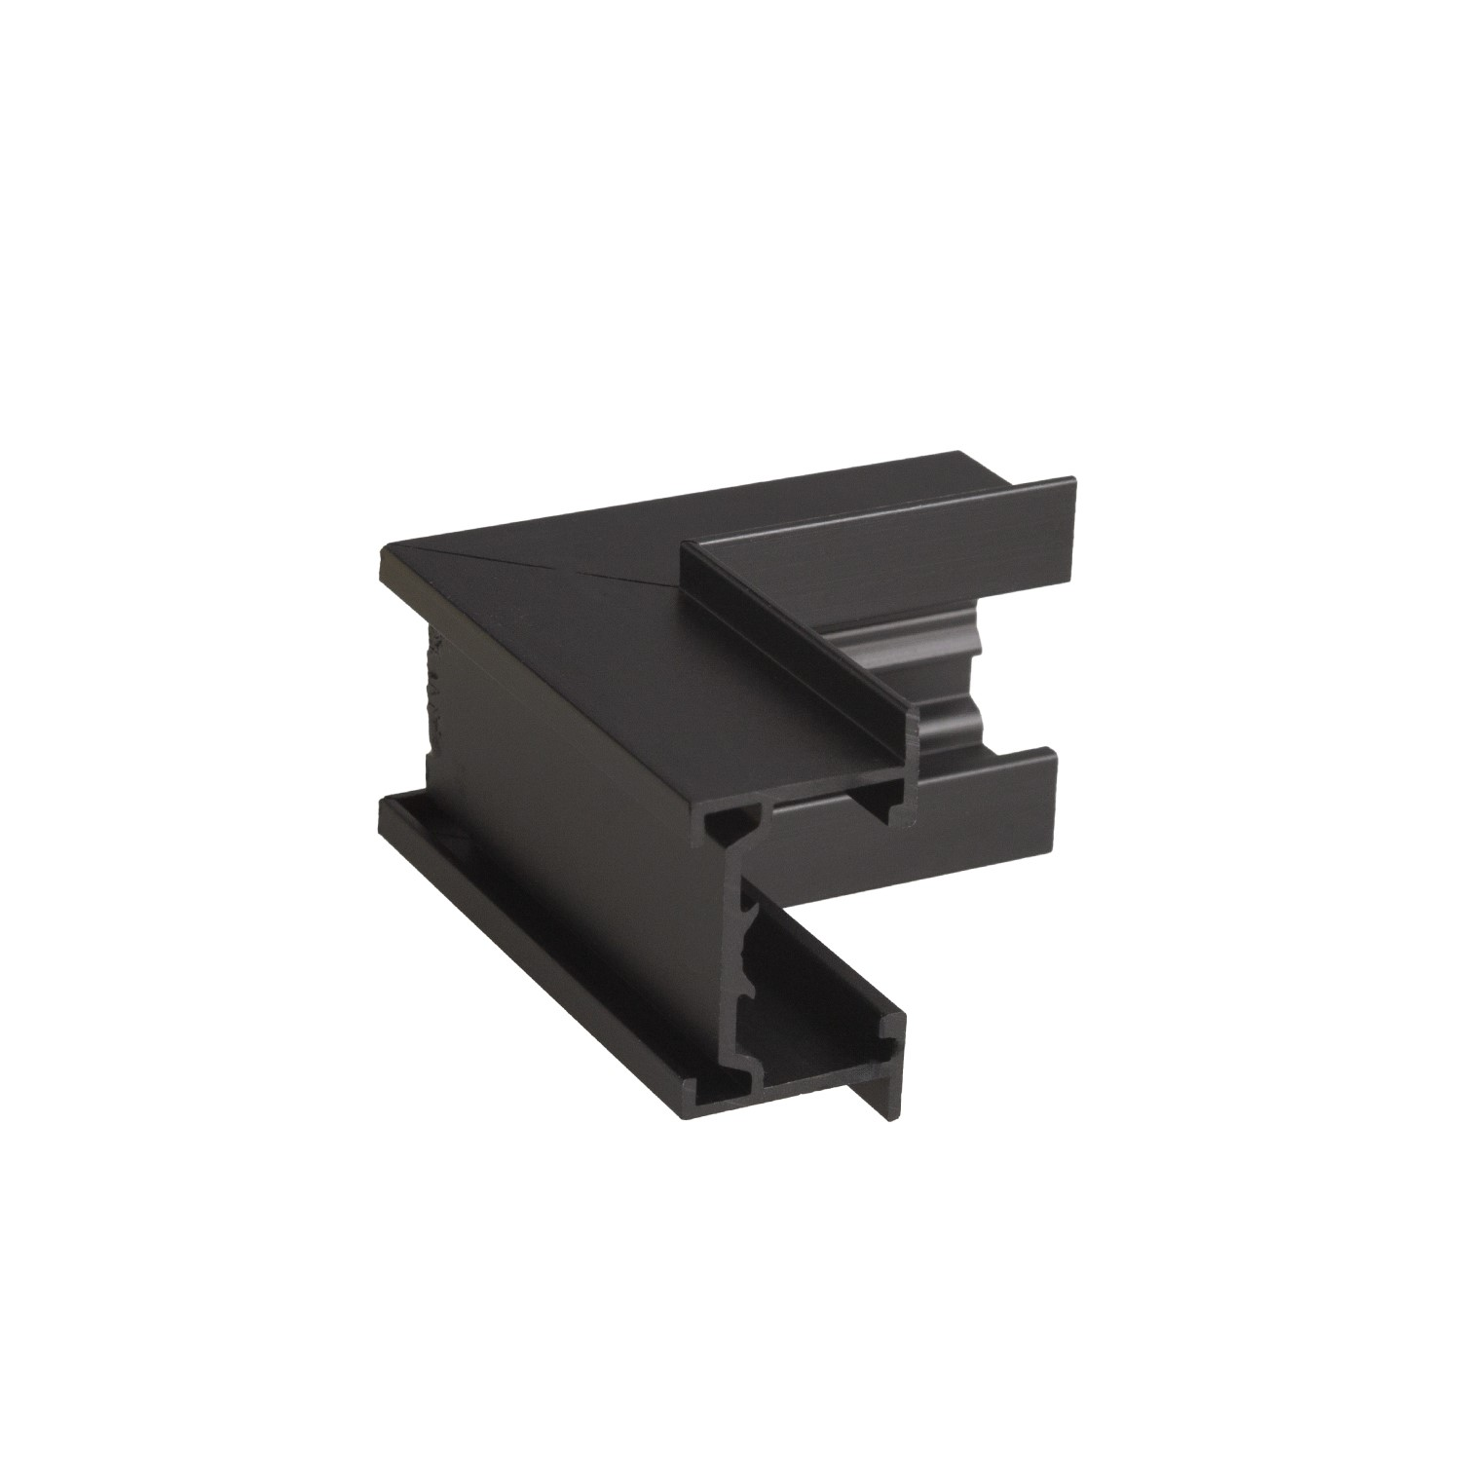 | Length 40mm x 40mm | 11.73 €
NT0015 | NT9015 | MAXLIGHT NT0015 MICROTRACK RECESSED SPRING CEILING/UPCEILING CORNER | 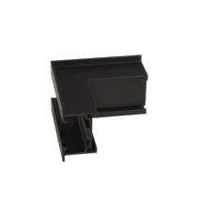 | Length 40mm x 40mm | 11.73 €
N0001N N0001Z | N9001N N9001Z | MAXLIGHT N0001N N0001Z MICRO REFLECTOR 5W BLACK On-Off | 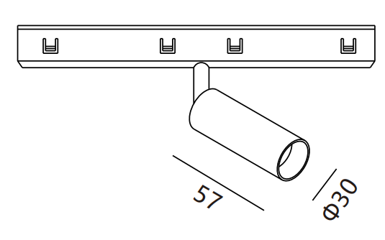 | 146mm 3000K CRI90 4W 28° 337lm | 35.20 € | 70.40 €
N0002N N0002Z | N9002N N9002Z | MAXLIGHT N0002N N0002Z MICRO REFLECTOR 10W BLACK On-Off |  | 146mm 3000K CRI90 10W 25° 711lm | 42.24 € | 77.44 €
N0003N N0003Z | N9003N N9003Z | MAXLIGHT N0003N N0003Z MICRO GRID 12W BLACK ROTATABLE On-Off | 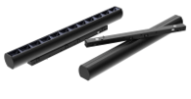 | 230mm 3000K CRI90 9W 27° 745lm | 35.20 € | 70.40 €
N0004N N0004Z | N9004N N9004Z | MAXLIGHT N0004N N0004Z MICRO GRID 18W BLACK On-Off | 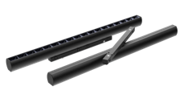 | 345mm 3000K CRI90 18W 27° 1473lm | 44.59 € | 79.79 €
N0005N N0005Z | N9005N N9005Z | MAXLIGHT N0005N N0005Z MICRO GRID 12W BLACK SWING On-Off | 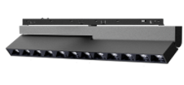 | 230mm 3000K CRI90 12W 26° 953lm | 50.45 € | 85.65 €
N0006N N0006Z | N9006N N9006Z | MAXLIGHT N0006N N0006Z MICRO LINE 12W BLACK ROTATABLE On-Off | 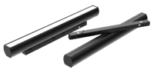 | 230mm 3000K CRI90 11W 110° 368lm | 34.03 € | 69.23 €
N0007N N0007Z | N9007N N9007Z | MAXLIGHT N0007N N0007Z MICRO LINE 18W BLACK ROTATABLE On-Off |  | 345mm 3000K CRI90 18W 110° 583lm | 43.41 € | 78.61 €
N0008N | N9008N | MAXLIGHT N0008N MICRO LINE 12W BLACK On-Off | 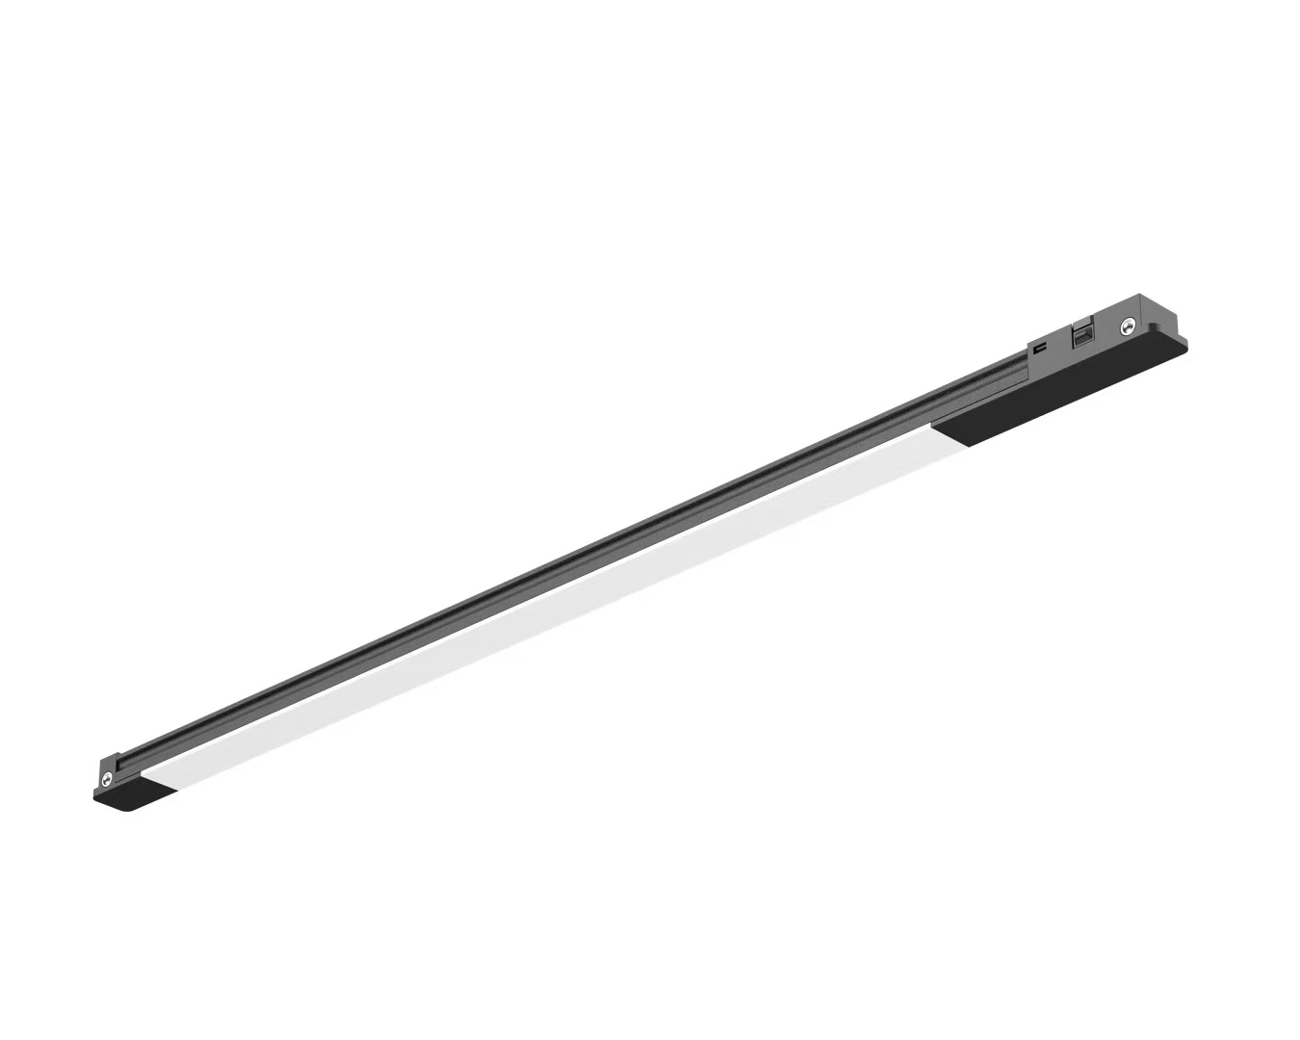 | 300mm 3000K CRI90 6W 116° 262lm | 21.12 € | not available
N0009N | N9009N | MAXLIGHT N0009N MICRO GRID 12W BLACK On-Off | 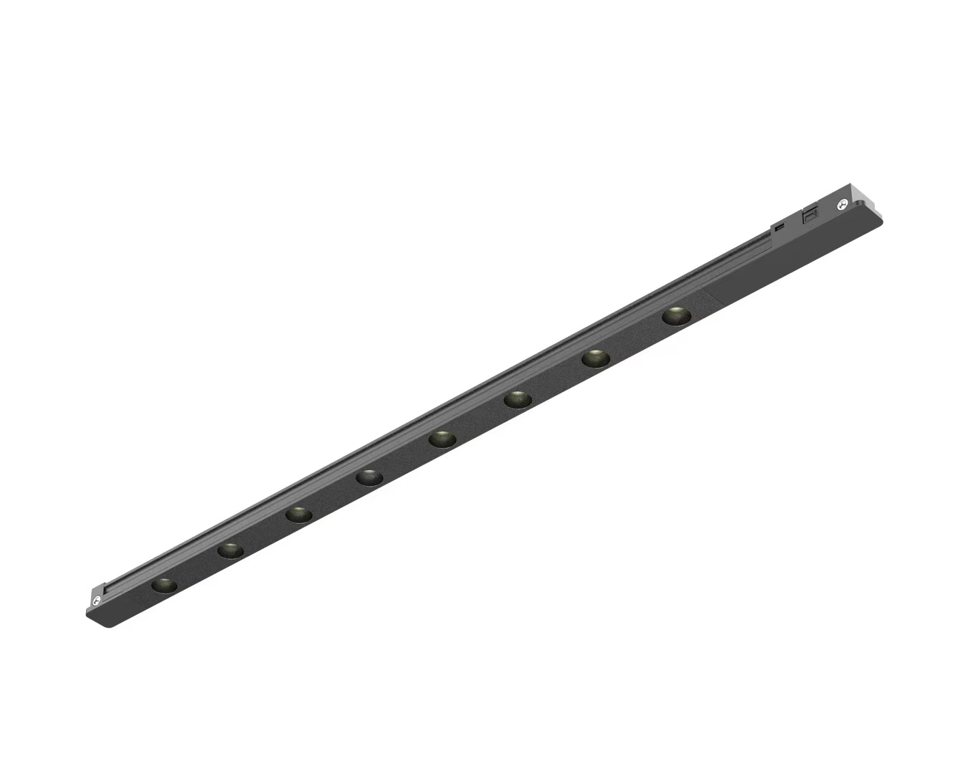 | 300mm 3000K CRI90 6W 69° 198lm | 30.51 € | not available
N0010N N0010Z | N9010N N9010Z | MAXLIGHT N0010N N0010Z MICRO SPOT5W BLACK On-Off | 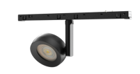 | 146mm 3000K CRI90 4W 29° 351lm | 38.72 € | 73.92 €
N0011N N0011Z | N9011N N9011Z | MAXLIGHT N0011N N0011Z MICRO SPOT 12W BLACK On-Off |  | 146mm 3000K CRI90 12W 117° 661lm | 38.72 € | 73.92 €
N0012N N0012Z |  | MAXLIGHT N0012N N0012Z MICRO GRID 12W BLACK On-Off |  | 146mm 3000K CRI90 16W 29° 1125lm | 39.42 € | 74.62 €
N0013N N0013Z |  | MAXLIGHT N0013N N0013Z MICRO GRID 12W BLACK On-Off |  | 146mm 3000K CRI90 12W 25° 954lm | 39.42 € | 74.62 €
NA0001 | NA9001 | MAXLIGHT NA0001 POWER SUPPLY FOR EXTERNAL DRIVER | 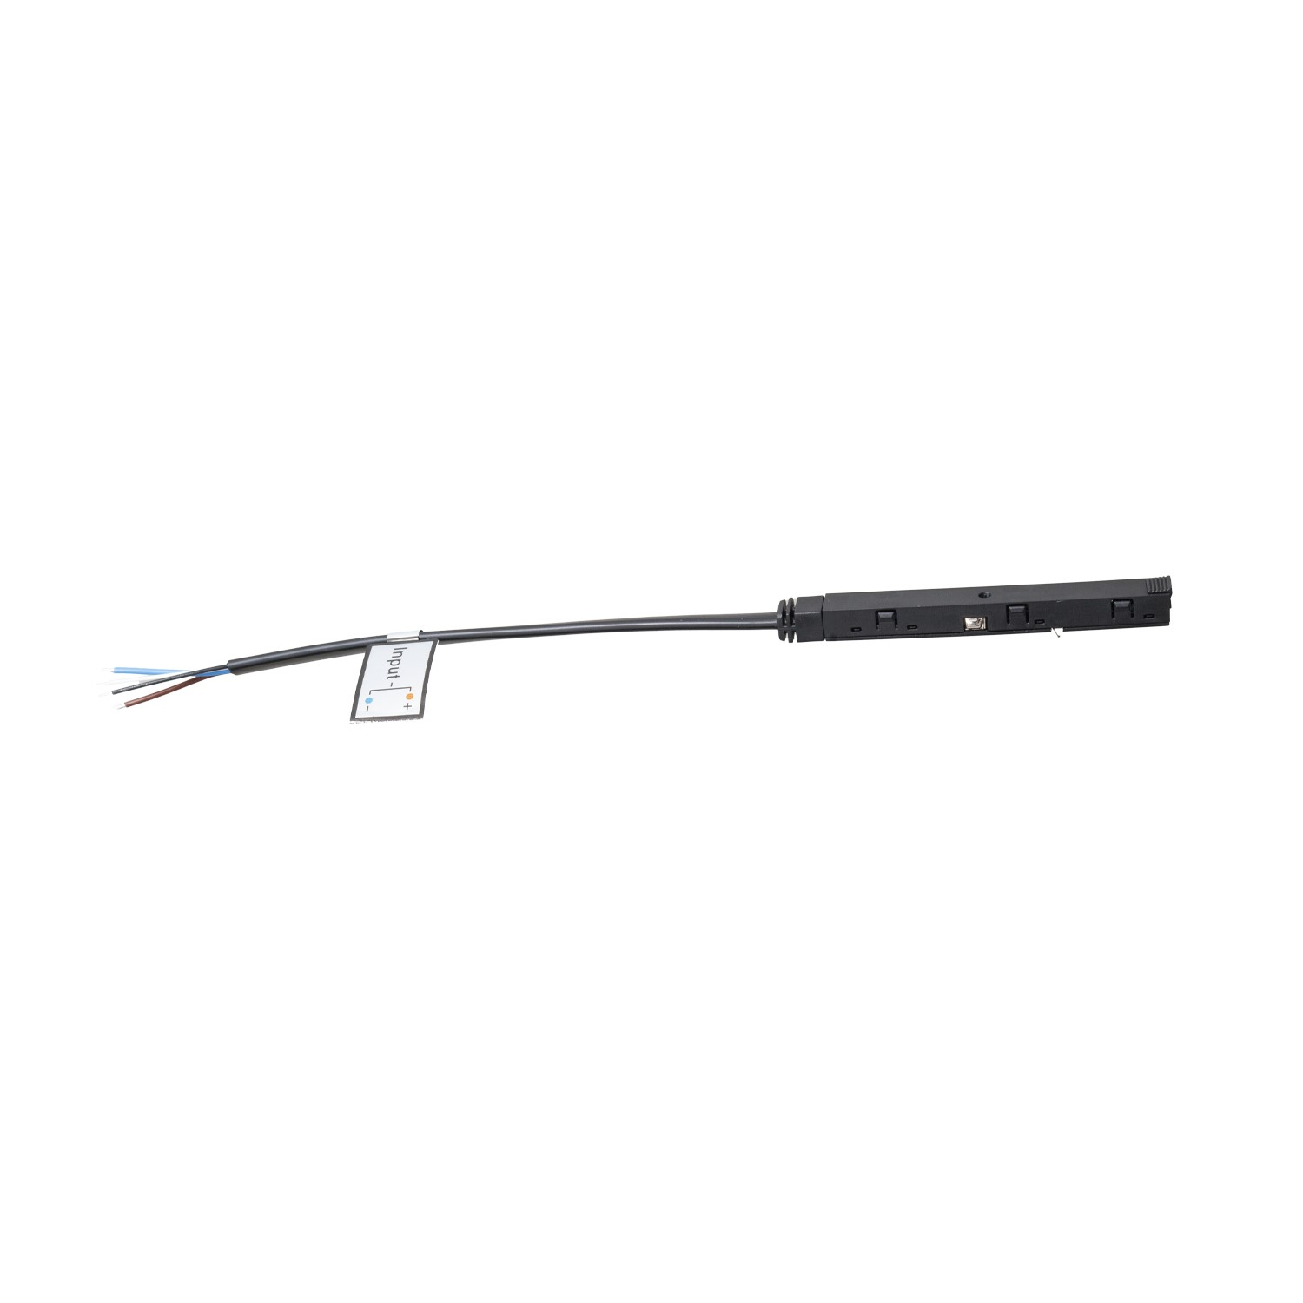 | 120mm do zasilacza NA0008 (100W) lub MA0007 (200W) | 7.27 €
NA0002 | NA9002 | MAXLIGHT NA0002 INTERNAL TRACK CONNECTOR | 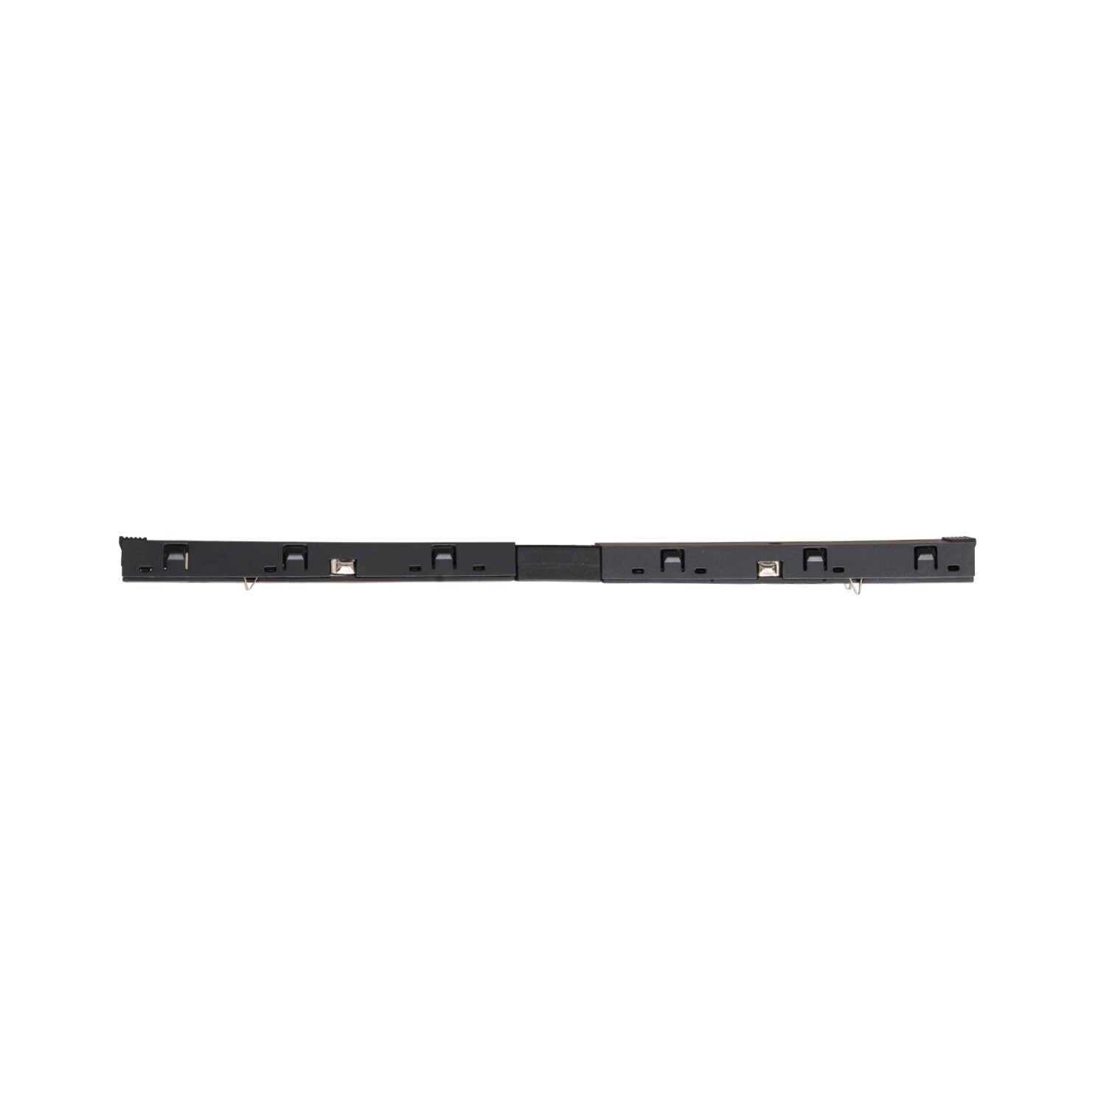 | 100mm + 100mm | 12.20 €
NA0003 | NA9003 | MAXLIGHT NA0003 INTERNAL TRACK CONNECTOR ANGLE 90 | 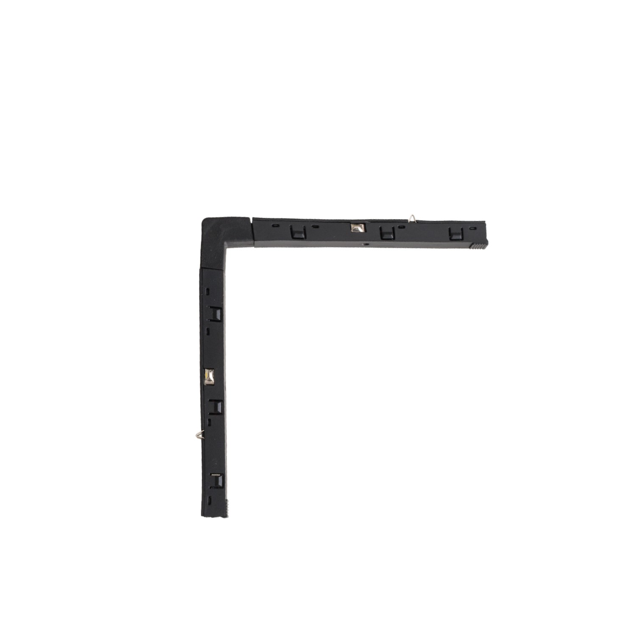 | 111mm x 111mm | 12.20 €
NA0004 | NA9004 | MAXLIGHT NA0004 INTERNAL TRACK CONNECTOR WALL/CEILING |  | 110mm x 110mm | 12.20 €
NA0005 | NA9005 | MAXLIGHT NA0005 INTERNAL TRACK CONNECTOR WALL/UPCEILING |  | 110mm x 110mm | 12.20 €
NA0006 | NA9006 | MAXLIGHT NA0006 BUILT IN TRACK TRANSFORMER 100W | 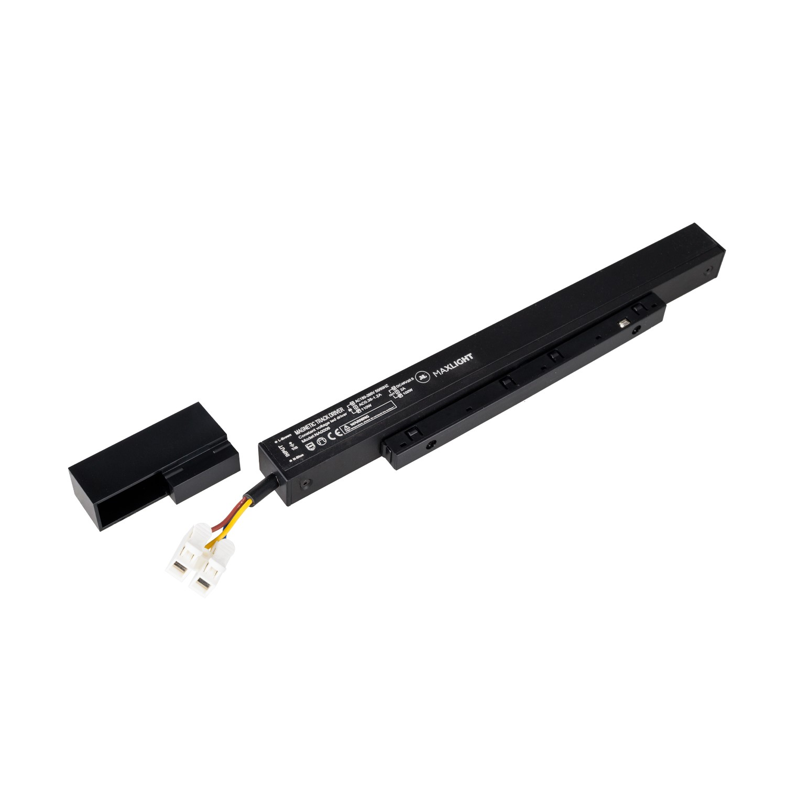 | 235mm, out from the track h31mm | 39.66 €
NA0007 | NA9007 | MAXLIGHT NA0007 BUILT IN TRACK TRANSFORMER 150W |  | 305mm, out from the track h31mm | 51.39 €
NA0008 |  | MAXLIGHT NA0008 EXTERNAL TRACK TRANSFORMER 48V 100W | 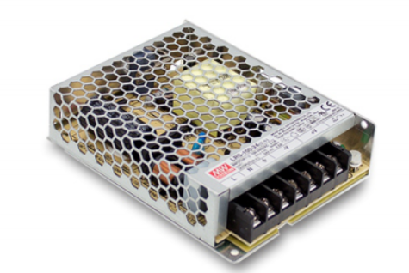 | 123mm x 97mm x 30mm | 52.80 €
MA0007 |  | MAXLIGHT MA0007 EXTERNAL TRACK TRANSFORMER 48V 200W | 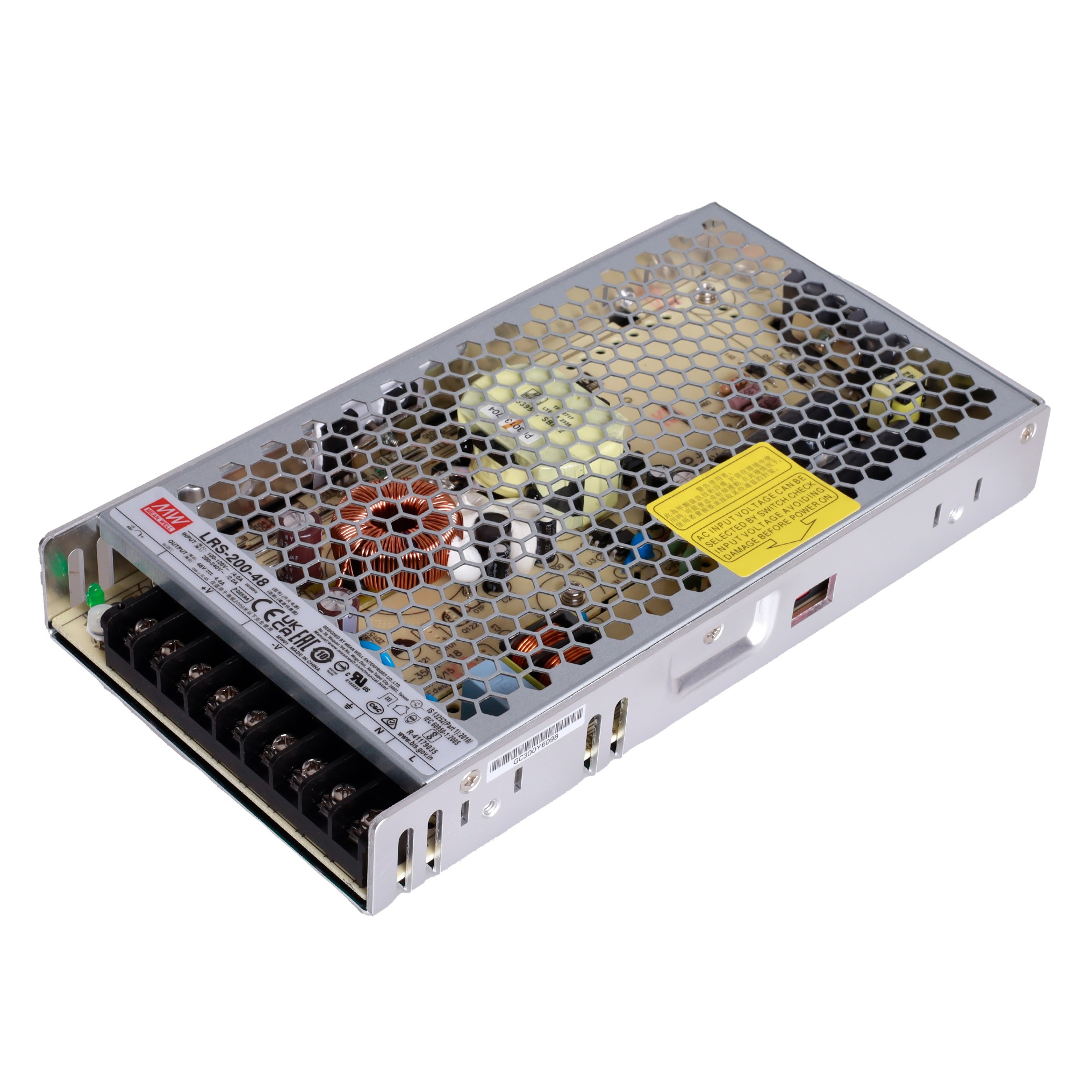 | 215mm x 115mm x 30mm | 83.67 €
NA0013 |  | Mechanical connection of MICRO11 flush-mounted rails RAIL+RAIL |  |  | 1.22 €
MA0035 | Non-discountable | 10" PRO Touch Panel, Gateway, 2 Channels, Ethernet, RS485, Spotify, Alexa, Bluetooth, WiFi, ZigBee, TUYA |  |  | € 380.00
MA0014 |  | Gate ZIGBEE-BLUETOOTH - WIFI works with TUYA and Smart LIFE | 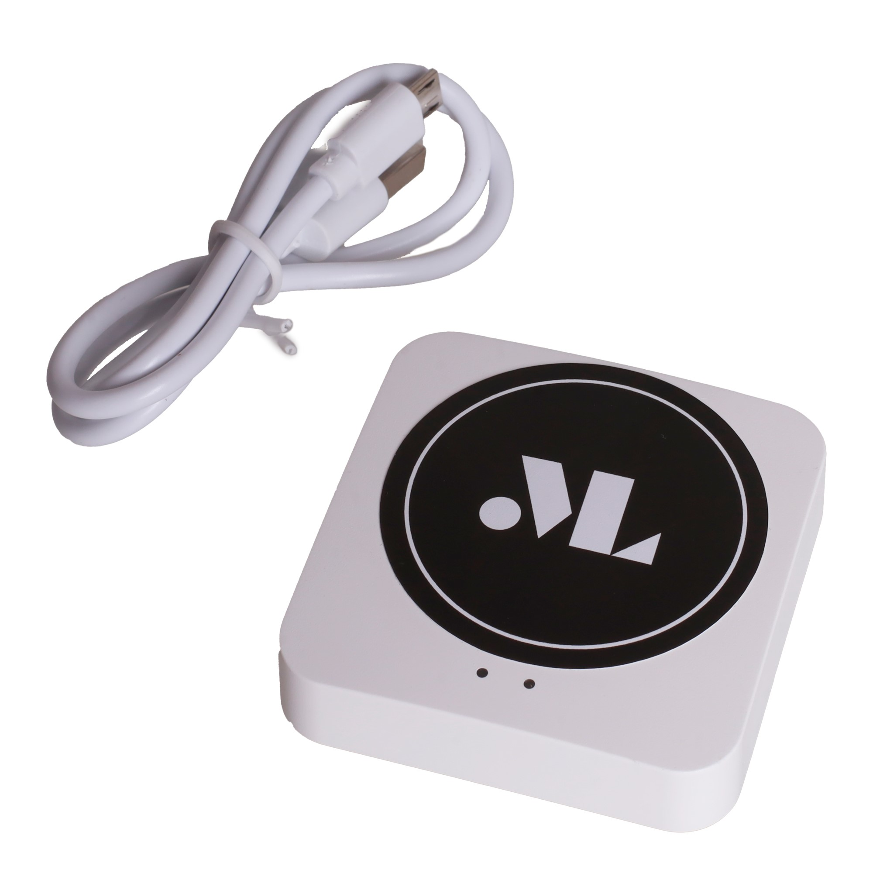 |  | € 46.81
MA0015 | Non-discountable | Smart Life Control Panel | Control panel | Gateway, Hub, Wi-Fi, Bluetooth, Zigbee | 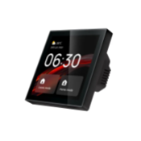 |  | € 123.56

Reflectors
BLACK | WHITE | REFLEKTOR |  |  |  |  | ON/OFF | DALI | ZIGBEE/TUYA | ON/OFF € NET PRICE | DALI € NET PRICE only black | ZIGBEE € NET PRICE
M0001N M0001D M0001Z | M0023N M0023Z |  | Linear magnetic lamp 30 cm 9,4W | 9,4W | 300*25*H45 Beam Angle：113° | Description：21wide magnetic linear BODY COL：oxidation black Material：ALEVEL Aluminum Light Source：bridgelux | CCT= 3000K 356 lm | CCT= 3000K 356 lm | CCT:27000K/3000K/3500K/4000K/5000K 356 lm | € 28.71 | € 78.79 | € 63.07
M0002N M0002D M0002Z | M0024N M0024Z |  | Linear magnetic lamp 60cm 17W | 17W | 600*25*H45 Beam Angle：113° | Description：21wide magnetic linear BODY COL：oxidation black Material：ALEVEL Aluminum Light Source：bridgelux | CCT= 3000K 637lm lm | CCT= 3000K 637lm lm | CCT:27000K/3000K/3500K/4000K/5000K 637lm1 lm | € 34.75 | € 84.83 | € 69.12
M0003N M0003D M0003Z | M0025N M0025Z |  | Linear magnetic reflector 11.5cm 5,5W | 5,5W | 118*25*H45 Beam Angle：39° | Description：21wide magnetic 6 pcs grilling BODY COL：oxidation black Material：A LEVEL Aluminum Light Source：OSRAM3030 | CCT= 3000K 403lm | CCT= 3000K 403lm | CCT:27000K/3000K/3500K/4000K/5000K 403lm | € 23.38 | € 73.45 | € 57.75
M0004N M0004D M0004Z | M0026N M0026Z | 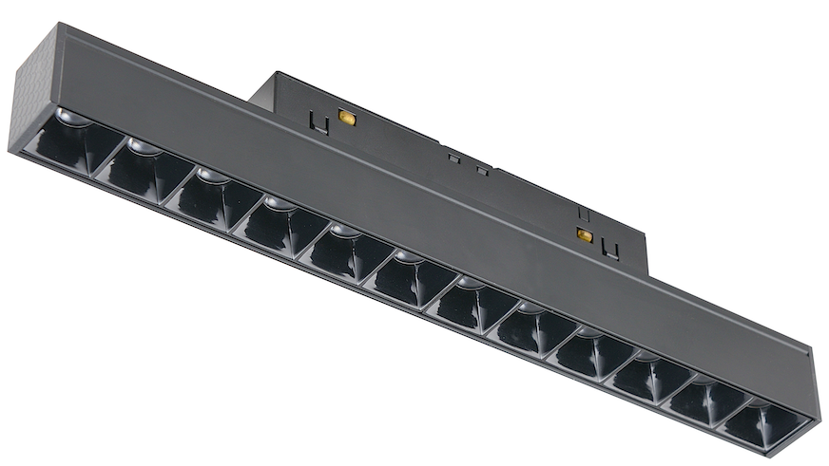 | Linear magnetic reflector 23cm 10W | 10W | 232*25*H45 Beam Angle：38° | Description：21wide magnetic 12 pcs grilling BODY COL：oxidation black Material：A LEVEL Aluminum Light Source：bridgelux | CCT= 3000K 775lm | CCT= 3000K 775lmlm | CCT:27000K/3000K/3500K/4000K/5000K 775lmlm | € 34.71 | € 84.79 | € 69.08
M0005N M0005D M0005Z | M0027N M0027Z | 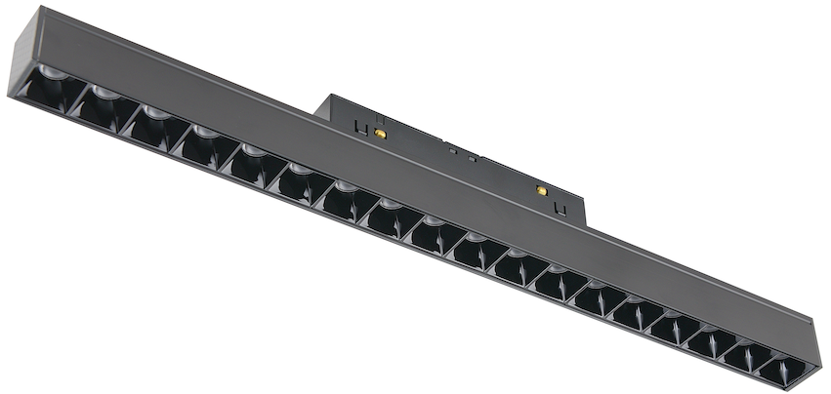 | Linear magnetic reflector 35cm 18W | 18W | 346*25*H45 Beam Angle：39° | Description：21wide magnetic 18 pcs grilling BODY COL：oxidation black Material：A LEVEL Aluminum Light Source：bridgelux | CCT= 3000K 1304lm | CCT= 3000K 1304llm | CCT:27000K/3000K/3500K/4000K/5000K 1304llm | € 41.79 | € 91.86 | € 76.15
M0006N M0006D M0006Z | M0028N M0028Z |  | Magnetic corner lamp 30x30 17W | 17W | 300*300 Beam Angle：114° | Description：21wide magnetic linear BODY COL：oxidation black Material：ALEVEL Aluminum Light Source：bridgelux | CCT= 3000K 666lm | CCT= 3000K 666lm | CCT:27000K/3000K/3500K/4000K/5000K 666lm | € 79.79 | € 129.88 | € 114.17
M0007N M0007D M0007Z | M0029N M0029Z | 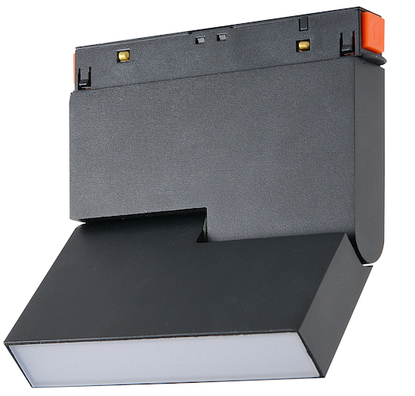 | Magnetic adjustable lamp 12 cm 5,3W | 5,3W | Beam Angle：95° | Description：21wide magnetic adjustable linear BODY COL：Sand black Material：A LEVEL Aluminum Light Source：bridgelux | CCT= 3000K 205lm | CCT= 3000K 205lm | CCT:27000K/3000K/3500K/4000K/5000K 205lm | € 41.55 | € 91.63 | € 75.92
M0008N M0008D M0008Z | M0030N M0030Z | 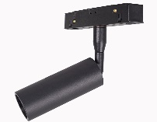 | Magnetic reflector 4,7W | 4,7W | φ30*H80 Beam Angle：28° | Description：21wide magnetic adjustable spot BODY COL：Sand black Material：A LEVEL Aluminum Light Source：OSRAM | CCT= 3000K 403lm | CCT= 3000K 403lm | CCT:27000K/3000K/3500K/4000K/5000K 403llm | € 32.48 | € 82.57 | € 66.86
M0009N M0009D M0009Z | M0031N M0031Z | 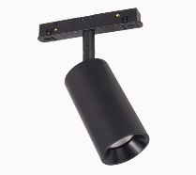 | Magnetic reflector 9,4W | 9,4W | φ53*H100 Beam Angle：19° | Description：21wide magnetic adjustable spot BODY COL：Sand black Material：A LEVEL Aluminum Light Source：OSRAM | CCT= 3000K 795lm | CCT= 3000K 795lm | CCT:27000K/3000K/3500K/4000K/5000K 795llm | € 39.28 | € 89.36 | € 73.66
M0010N M0010D M0010Z | M0032N M0032Z | 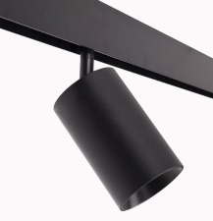 | Magnetic reflector 18W | 18W | φ70*H115 Beam Angle：21° Dsotępna optyka 36° | Description：21wide magnetic adjustable spot BODY COL：Sand black Material：A LEVEL Aluminum Light Source：OSRAM | CCT= 3000K 1411lm | CCT= 3000K 1411lm | CCT:27000K/3000K/3500K/4000K/5000K 1411lm | € 43.07 | € 93.14 | € 77.43
M0011N M0011D M0011Z | M0033N M0033Z | 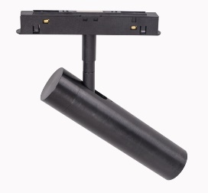 | Magnetic reflector 7,9W | 7,9W | Beam Angle：22° | Description：21wide magnetic adjustable spot BODY COL：Sand black Material：A LEVEL Aluminum Light Source：OSRAM | CCT= 3000K 546lm | CCT= 3000K 546lm | CCT:27000K/3000K/3500K/4000K/5000K 546llm | € 41.55 | € 91.63 | € 75.92
M0012N M0012D M0012Z | M0034N M0034Z | 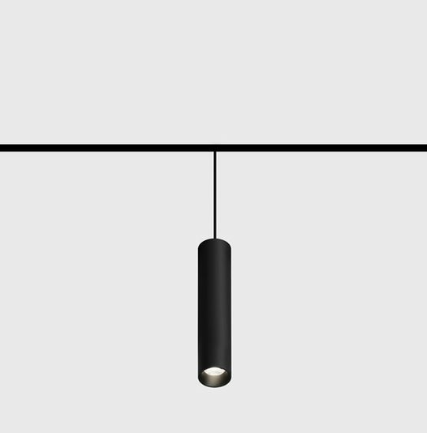 | Magnetic pendant lamp 3,8W | 3,8W | Beam Angle：28° | Description：21wide magnetic hanging BODY COL：Sand black Material：A LEVEL Aluminum Light Source：OSRAM | CCT= 3000K 317lm | CCT= 3000K 317lm | CCT:27000K/3000K/3500K/4000K/5000K 317lm | € 43.81 | € 93.90 | € 78.19
M0013N M0013D M0013Z | M0041N M0041Z | 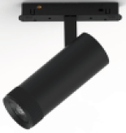 | Magnetic reflector 13W | 13W | Beam angle: 21-58 | Description：21wide magnetic hanging BODY COL：Sand black Material：A LEVEL Aluminum Light Source：OSRAM | CCT:3000K 783lm | CCT:3000K 783lm | CCT:27000K/3000K/3500K/4000K/5000K 783lm | € 65.47 | € 99.26 | € 97.15
M0014N M0014D M0014Z | M0042N M0042Z | 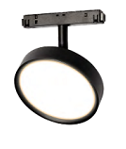 | Magnetic lamp 12W | 12W | Beam Angle：112° | Description：21wide magnetic hanging BODY COL：Sand black Material：A LEVEL Aluminum Light Source：OSRAM | CCT:3000K 855lm | CCT:3000K 855lm | CCT:27000K/3000K/3500K/4000K/5000K 855lm | € 69.17 | € 102.96 | € 100.85
M0015N M0015D M0015Z | M0043N M0043Z | 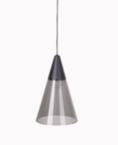 | Magnetic pendant lamp 6W | 6W | Beam Angle：33° | Description：21wide magnetic hanging BODY COL：Sand black Material：A LEVEL Aluminum/GLASS Light Source：OSRAM | CCT:3000K 363lm | CCT:3000K 363lm | CCT:27000K/3000K/3500K/4000K/5000K 363lm | € 76.56 | € 110.35 | € 108.24
M0016N M0016D M0016Z | M0044N M0044Z | 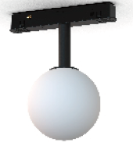 | Magnetic lamp 5,4W | 5,4W | Beam Angle：260° | Description：21wide magnetic hanging BODY COL：Sand black Material：A LEVEL Aluminum/PC Light Source：OSRAM | CCT:3000K 334lm | CCT:3000K 334lm | CCT:27000K/3000K/3500K/4000K/5000K 334lm | € 39.60 | € 73.39 | € 71.28
M0017N M0017D M0017Z | M0045N M0045Z |  | Magnetic lamp 5,4W | 5,4W | Beam Angle：260° | Description：21wide magnetic hanging BODY COL：Sand black Material：A LEVEL Aluminum/PC Light Source：OSRAM | CCT:3000K 334lm | CCT:3000K 334lm | CCT:27000K/3000K/3500K/4000K/5000K 334lm | € 57.76 | € 91.55 | € 89.44
M0018N M0018D M0018Z | M0046N M0046Z | 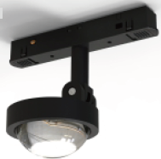 | Magnetic lamp 8W | 8W | Beam angle: 40° | Description：21wide magnetic hanging BODY COL：Sand black Material：A LEVEL Aluminum Light Source：OSRAM | CCT:3000K 766.559 lm | CCT:3000K 766.559 lm | CCT:27000K/3000K/3500K/4000K/5000K 766.559 lm | € 50.69 | € 84.48 | € 82.37
M0019N M0019D M0019Z | M0047N M0047Z | 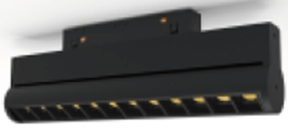 | Linear magnetic reflector 24cm 11W | 11W | Beam angle: 36° | Description：21wide magnetic hanging BODY COL：Sand black Material：A LEVEL Aluminum Light Source：OSRAM | CCT:3000K 812lm | CCT:3000K 812lm | CCT:27000K/3000K/3500K/4000K/5000K 812lm | € 62.78 | € 96.57 | € 94.46
M0020N M0020D M0020Z | M0048N M0048Z |  | Double magnetic reflector 2x5W | 2x5W | Beam angle: 28 ° | Description：21wide magnetic hanging BODY COL：Sand black Material：A LEVEL Aluminum Light Source：OSRAM | CCT:3000K 806lm | CCT:3000K 806lm | CCT:27000K/3000K/3500K/4000K/5000K 806lm | € 94.46 | € 128.25 | € 126.14
M0021N M0021Z | M0035N M0035Z |  | Silicone magnetic lamp 15W 1 meters | 15W | φ22*L1000mm | Description: 21 series magnetic hose flooding light Finish: Spray painted black Material/Process: Aluminum profile Light source: Monochrome: Osram | CCT:3000K CRI：Ra≥90 1028lm |  | CCT:27000K/3000K/3500K/4000K/5000K CRI：Ra≥90 1028lm | € 65.80 | ON REQUEST | € 100.30
M0022N M0022Z | M0036N M0036Z |  | Silicone magnetic lamp 15W 2 meters | 20W | φ22*L2000mm | Description: 21 series magnetic hose flooding light Finish: Spray painted black Material/Process: Aluminum profile Light source: Monochrome: Osram | CCT:3000K CRI：Ra≥90 1404lm |  | CCT:27000K/3000K/3500K/4000K/5000K CRI：Ra≥90 1404lm | € 101.85 | ON REQUEST | € 136.81
M0037N M0037Z | M0038N M0038Z | 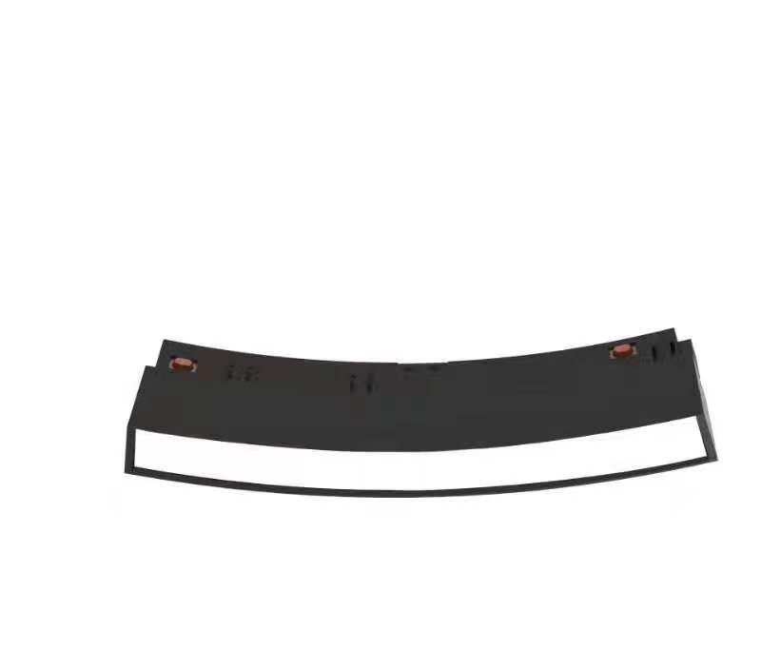 | Magnetic lamp | 6W | Beam Angle：112° | Description: Circular series magnetic flooding module (φ600) Surface treatment: Material/Process: Aluminum profile Reflector color: acrylic Light source: Monochrome: Osram | CCT:3000K 191LM |  | CCT:3000K/4000K/5000K 191LM | € 47.60 | ON REQUEST | € 70.45
M0039N M0039Z | M0040N M0040Z | 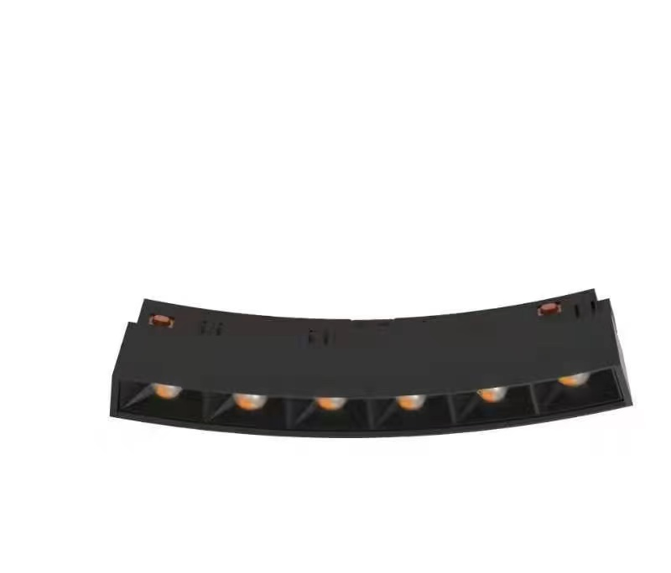 | Magnetic lamp | 7,2W | Beam Angle：31° | Description: Circular series magnetic flooding module (φ600) Surface treatment: black Material/Process: Aluminum profile Reflector color: acrylic Light source: Monochrome: Osram | CCT:3000K 535LM |  | CCT:3000K/4000K/5000K 535LM | € 47.60 | ON REQUEST | € 70.45
M0049N M0049D M0049Z |  |  | Magnetic lamp | 8W | Beam Angle：112° | Description：21wide magnetic adjustable spot BODY COL：Sand black Material：A LEVEL Aluminum Light Source：OSRAM | CCT= 3000K 578.368 lm | CCT= 3000K 578.368 lm | CCT:3000K/4000K/5000K 578.368 lm | € 47.40 | 94.4 | € 81.69
LOW REFLECTORS
M0050N M0050Z | M0056N M0056Z | 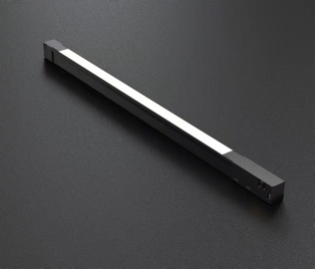 | L400*W18*H16mm | 9,7W |  | Description: 16 series magnetic flooding module Surface treatment: lamp body Material/Process: Aluminum profile Reflector color: acrylic Light source: Monochrome: Osram; Two colors: Osram | CCT:3000K CRI：Ra≥90 353 LM |  | CCT:27000K/3000K/3500K/4000K/5000K 353 LM | € 20.91 | ON REQUEST | € 61.17
M0051N M0051Z | M0057N M0057Z |  | L720*W18*H16mm | 17,4W |  | Description: 16 series magnetic flooding module Surface treatment: lamp body Material/Process: Aluminum profile Reflector color: acrylic Light source: Monochrome: Osram; Two colors: Osram | CCT:3000K CRI：Ra≥90 634 LM |  | CCT:27000K/3000K/3500K/4000K/5000K 634 LM | € 30.58 | ON REQUEST | € 68.91
M0052N M0052Z | M0058N M0058Z |  | L1040*W18*H16mm | 23.2 W |  | Description: 16 series magnetic flooding module Surface treatment: lamp body Material/Process: Aluminum profile Reflector color: acrylic Light source: Monochrome: Osram; Two colors: Osram | CCT:3000K CRI：Ra≥90 845 LM |  | CCT:27000K/3000K/3500K/4000K/5000K 845 LM | € 36.20 | ON REQUEST | € 76.46
M0053N M0053Z | M0059N M0059Z |  | L350*W16*H16mm | 11.6 W |  | Description: 16 series magnetic grill 12pcs module Surface treatment: lamp body Material/Process: Aluminum profile Reflector color: acrylic Light source: Monochrome: Osram; Two colors: TOYONIA | CCT:3000K CRI：Ra≥90 867 LM |  | CCT:27000K/3000K/3500K/4000K/5000K 867 LM | € 22.65 | ON REQUEST | € 62.72
M0054N M0054Z | M0060N M0060Z |  | L480*W16*H16mm | 17.2 W |  | Description: 16 series magnetic grill 18pcs module Surface treatment: lamp body Material/Process: Aluminum profile Reflector color: acrylic Light source: Monochrome: Osram; Two colors: TOYONIA | CCT:3000K CRI：Ra≥90 1285 LM |  | CCT:27000K/3000K/3500K/4000K/5000K 1285 LM | € 31.36 | ON REQUEST | € 71.62
M0055N M0055Z | M0061N M0061Z | 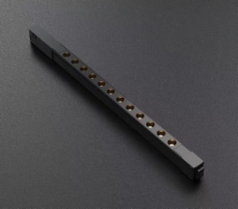 | L610*W16*H16mm | 23.2 W |  | Description: 16 series magnetic grill 24pcs module Surface treatment: lamp body Material/Process: Aluminum profile Reflector color: acrylic Light source: Monochrome: Osram; Two colors: TOYONIA | CCT:3000K CRI：Ra≥90 734 LM |  | CCT:27000K/3000K/3500K/4000K/5000K 734 LM | € 38.71 | ON REQUEST | € 78.98

Track
KOD |  |  | DESCRIPTION | € NET PRICE
BLACK | WHITE
MT0001 | MT0018 |  | magnet track surface mounting and lifting 1M | 40.61 €
MT0002 | MT0019 |  | magnet track surface mounting and lifting 2M | 81.21 €
MT0003 | MT0020 | 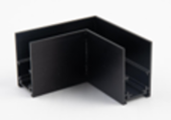 | Corner 90° for MT0001, MT0002 | 20.31 €
MT0004 | MT0021 | 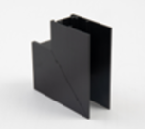 | Ceiling/Upceiling corner for MT0001, MT0002 | 20.31 €
MT0005 | MT0022 | 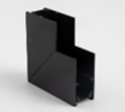 | Wall/Ceiling corner for MT0001, MT0002 | 20.31 €
MT0006 | MT0023 |  | magnet track recessed mounting 1M | 51.22 €
MT0007 | MT0024 | 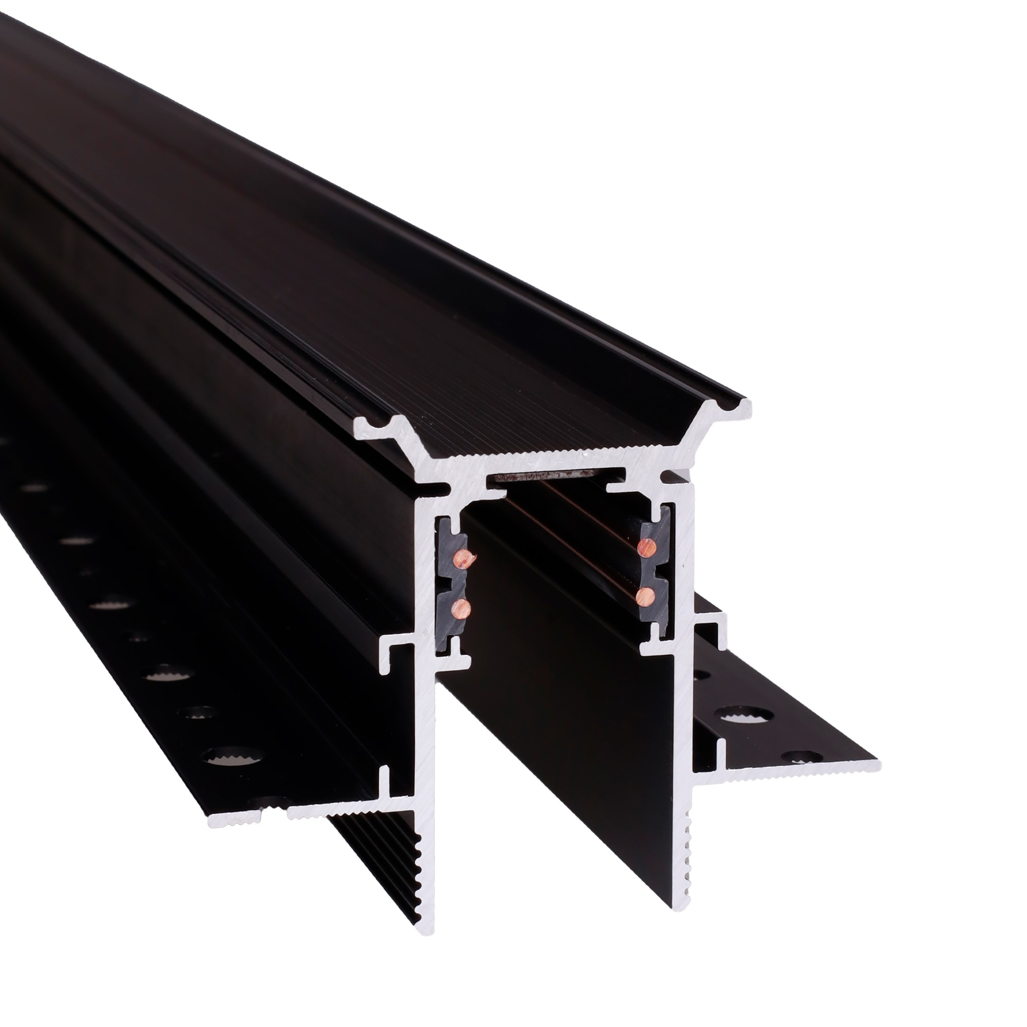 | magnet track recessed mounting 2M | 102.43 €
MT0008 | 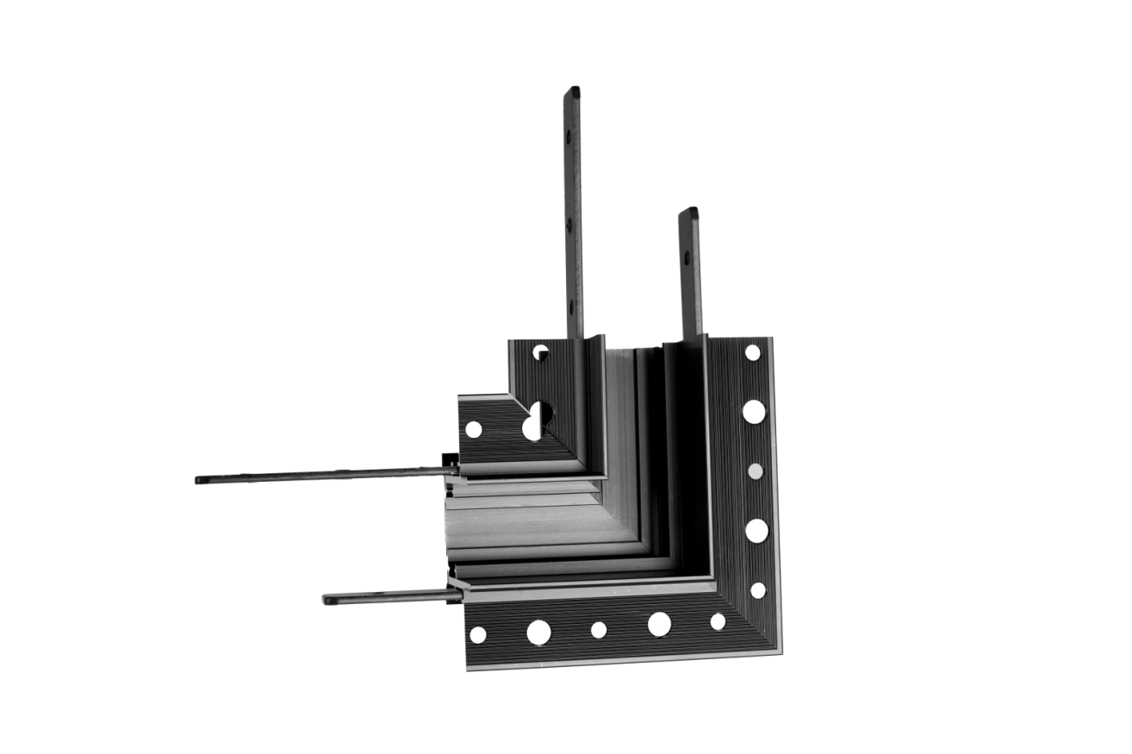 MT0025 |  | Corner 90° for MT0006, MT0007 | 21.12 €
MT0009 | MT0026 |  | Ceiling/Upceiling corner for MT0006, MT0007 | 21.12 €
MT0010 | MT0027 |  | Wall/Ceiling corner for MT0006, MT0007 | 21.12 €
MT0011 | MT0028 |  | magnet track surface mounting 1M | 20.59 €
MT0012 | MT0029 |  | magnet track surface mounting 2M | 41.18 €
MT0013 | MT0030 |  | Wall/Ceiling corner for MT0011, MT0012 | 13.20 €
MT0014 | MT0031 |  | Corner 90° for MT0011, MT0012 | 13.20 €
MT0015 | MT0033 |  | T-shape corner for MT0001, MT0002 | 35.27 €
MT0016 | MT0034 |  | T-shape corner for MT0006, MT0007 | 35.27 €
MT0017 | MT0032 |  | T-shape corner for MT0011, MT0012 | 35.27 €
MT0036 | MT0037 |  | ROUND CONNECTOR FOR MT0001/MT0002 MT0018/MT0019 | 45.70 €

Drivers
BLACK | WHITE |  |  | € NET PRICE
MA0004 | MA0021 |  | Built-in track transformer 100W | 44.68 €
MA0005 | MA0022 |  | Built-in track transformer 200W | 55.24 €
MA0006 |  |  | Built-in track transformer DALI 100W | 44.68 €
MA0007 |  |  | External track transformer 200W | 83.67 €
MA0031 | MA0032 |  | Built-in track transformer 300W | 66.64 €
MA0033 | MA0034 |  | Flat internal 150W power supply for shallow tracks | 51.40 €
NA0008 |  |  | External track transformer 100W | 52.80 €
MA0031 | MA0032 |  | Built-in track transformer 300W | 66.64 €
MA0036 |  |  | External track transformer 350W | 94.75 €

Accessories
BLACK | WHITE |  | DESCRIPTION | € NET PRICE
MA0001 | MA0018 |  |  | € 6.40
MA0002 | MA0019 |  | internal track connector | € 7.22
MA0003 | MA0020 |  | flexible internal track connector | € 8.03
MA0008 | MA0024 |  | Pendant kit for MT0001, MT0002, MT0011, MT0012 | € 5.69
MA0009 | MA0025 |  | Track connector MT0001, MT0002, MT0011, MT0012 | € 2.43
MA0010 | MA0026 |  | Canopy for external power supply | € 4.54
MA0011 | MA0027 |  | End cup for MT0006, MT0007 | € 0.41
MA0012 | MA0028 |  | End cup forMT0001, MT0002 | € 0.41
MA0013 | MA0029 |  | Connector for recessed track and recessed corners 4 pcs need for track and corner connection - only for tracks MT0006, MT0007 | € 1.22
MA0014 |  |  | Gate ZIGBEE-BLUETOOTH - WIFI works with TUYA and Smart LIFE | € 46.81
MA0015 |  |  | Smart Life Control Panel | Control panel | Gateway, Hub, Wi-Fi, Bluetooth, Zigbee | € 123.56 | Non-discountable
MA0016 | MT0035 |  | flexible power supply for T connector | € 19.82
MA0017 | MA0030 |  | End cup for MT0011, MT0012 | € 0.41
MA0035 |  |  | 10" PRO Touch Panel, Gateway, 2 Channels, Ethernet, RS485, Spotify, Alexa, Bluetooth, WiFi, ZigBee, TUYA | € 380.00 | Non-discountable
MA0037 | MA0038 |  | Bluetooth speaker for STANDARD 48VDC magnetic tracks | € 66.30

